Dataset_A
Dataset_A (split dataset)
shift_hours | overtime_hours | worker_experience | equipment_age | maintenance_score | temperature | humidity | inspection_score | accident
12 | 1 | 10 | 4 | 78 | 30 | 81 | 65 | 0
9 | 2 | 8 | 4 | 83 | 30 | 72 | 92 | 0
12 | 4 | 14 | 8 | 92 | 22 | 63 | 96 | 0
8 | 4 | 7 | 2 | 92 | 28 | 53 | 78 | 0
10 | 3 | 10 | 2 | 65 | 25 | 37 | 89 | 0
7 | 1 | 14 | 1 | 57 | 29 | 54 | 64 | 0
12 | 3 | 7 | 6 | 91 | 39 | 38 | 92 | 0
9 | 4 | 13 | 4 | 85 | 35 | 42 | 64 | 0
8 | 1 | 9 | 3 | 96 | 39 | 57 | 71 | 0
11 | 4 | 14 | 4 | 79 | 39 | 50 | 71 | 0
7 | 2 | 12 | 1 | 92 | 22 | 37 | 85 | 0
11 | 0 | 8 | 2 | 69 | 33 | 48 | 93 | 0
7 | 2 | 6 | 1 | 93 | 23 | 68 | 75 | 0
10 | 4 | 11 | 4 | 86 | 38 | 56 | 58 | 0
6 | 1 | 12 | 7 | 86 | 25 | 71 | 73 | 0
8 | 2 | 3 | 5 | 77 | 29 | 35 | 66 | 0
12 | 4 | 5 | 9 | 91 | 33 | 44 | 71 | 0
7 | 4 | 5 | 4 | 92 | 29 | 77 | 64 | 0
11 | 4 | 8 | 6 | 89 | 38 | 83 | 65 | 0
11 | 4 | 7 | 3 | 97 | 32 | 46 | 56 | 0
8 | 0 | 11 | 5 | 76 | 28 | 59 | 62 | 0
9 | 3 | 10 | 3 | 71 | 37 | 51 | 65 | 0
8 | 1 | 10 | 5 | 52 | 30 | 48 | 74 | 0
8 | 2 | 10 | 1 | 62 | 26 | 70 | 90 | 0
12 | 0 | 12 | 5 | 94 | 31 | 57 | 83 | 0
6 | 0 | 9 | 4 | 85 | 36 | 40 | 66 | 0
7 | 2 | 5 | 4 | 76 | 36 | 39 | 75 | 0
6 | 0 | 8 | 7 | 50 | 28 | 59 | 75 | 0
9 | 1 | 11 | 2 | 81 | 33 | 52 | 98 | 0
11 | 3 | 12 | 3 | 74 | 38 | 47 | 84 | 0
7 | 0 | 1 | 1 | 78 | 38 | 77 | 93 | 0
6 | 2 | 6 | 9 | 98 | 35 | 62 | 78 | 0
7 | 1 | 9 | 9 | 69 | 39 | 61 | 63 | 0
9 | 3 | 11 | 6 | 79 | 28 | 66 | 55 | 0
12 | 2 | 5 | 9 | 88 | 27 | 66 | 98 | 0
10 | 2 | 1 | 5 | 75 | 36 | 62 | 98 | 0
11 | 4 | 8 | 7 | 67 | 26 | 80 | 71 | 0
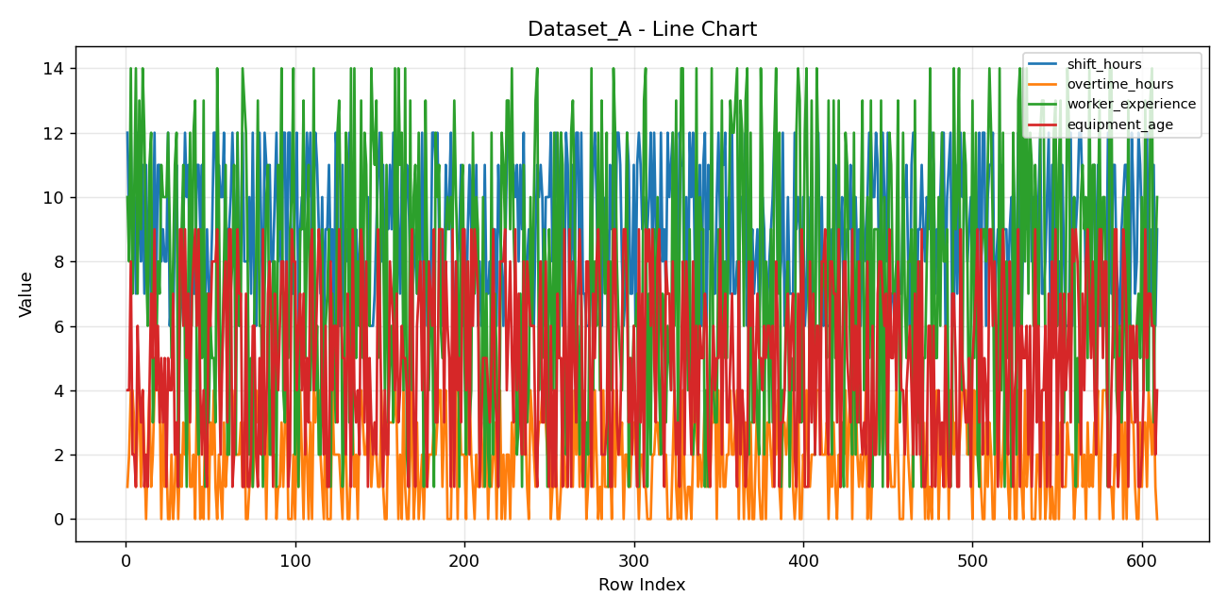
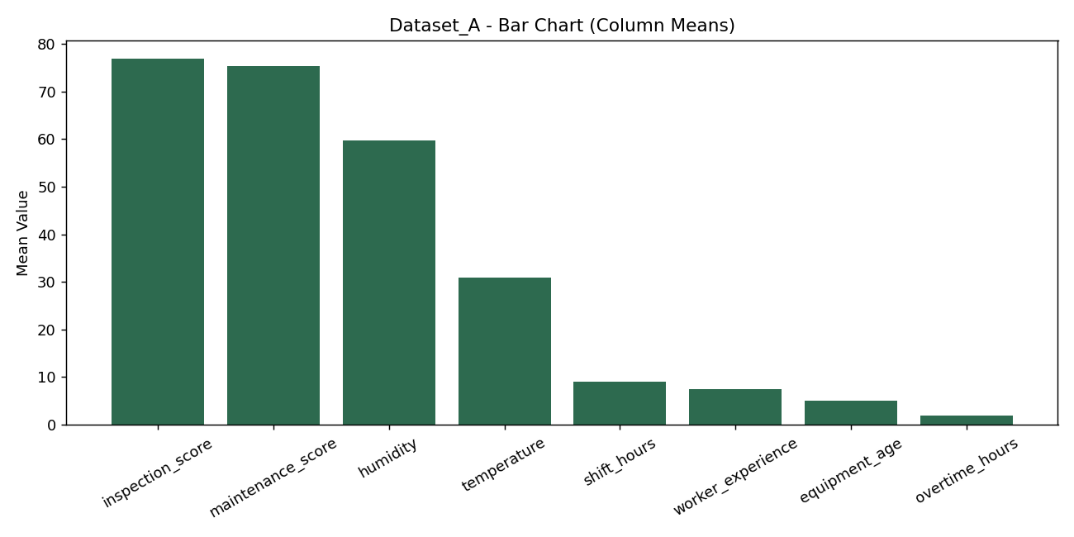
6 | 1 | 12 | 3 | 94 | 29 | 68 | 92 | 0
9 | 1 | 6 | 7 | 78 | 29 | 82 | 78 | 0
7 | 2 | 12 | 8 | 69 | 29 | 37 | 64 | 0
7 | 0 | 13 | 9 | 67 | 29 | 42 | 75 | 0
11 | 4 | 4 | 6 | 53 | 32 | 40 | 60 | 0
11 | 3 | 2 | 9 | 50 | 35 | 50 | 75 | 0
9 | 0 | 9 | 4 | 75 | 28 | 73 | 87 | 0
11 | 1 | 5 | 2 | 94 | 38 | 64 | 72 | 0
7 | 0 | 13 | 4 | 59 | 25 | 39 | 66 | 0
7 | 4 | 1 | 2 | 60 | 26 | 59 | 96 | 0
9 | 3 | 7 | 1 | 90 | 25 | 54 | 81 | 0
7 | 0 | 3 | 7 | 90 | 39 | 52 | 64 | 0
7 | 3 | 6 | 6 | 54 | 27 | 81 | 96 | 0
9 | 2 | 5 | 8 | 66 | 32 | 36 | 96 | 0
12 | 4 | 5 | 8 | 83 | 26 | 79 | 79 | 0
12 | 1 | 3 | 8 | 78 | 29 | 46 | 88 | 0
9 | 0 | 14 | 9 | 53 | 35 | 81 | 94 | 0
11 | 2 | 10 | 5 | 60 | 33 | 84 | 83 | 0
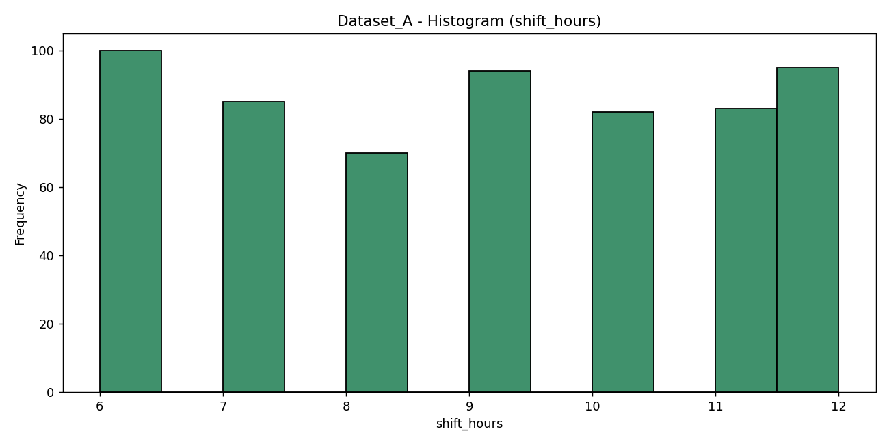
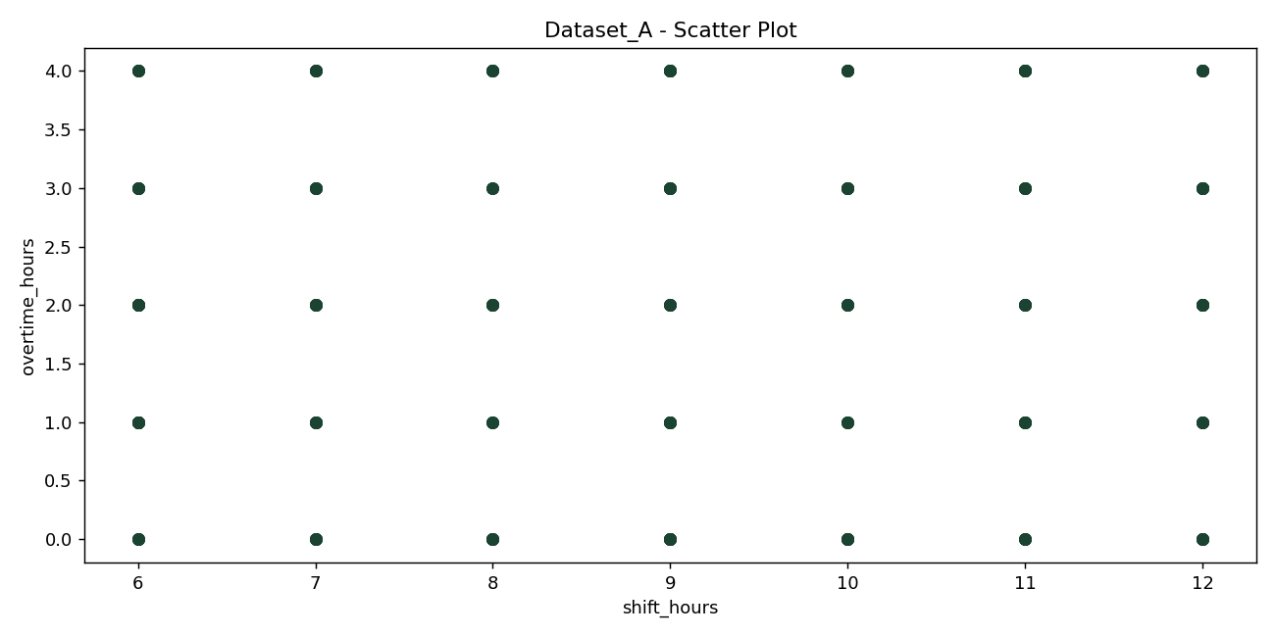
10 | 1 | 4 | 2 | 70 | 37 | 81 | 85 | 0
10 | 0 | 5 | 5 | 84 | 38 | 45 | 61 | 0
12 | 3 | 8 | 7 | 75 | 31 | 69 | 87 | 0
7 | 1 | 11 | 8 | 94 | 23 | 60 | 56 | 0
9 | 2 | 2 | 3 | 96 | 34 | 48 | 87 | 0
9 | 4 | 2 | 9 | 75 | 39 | 78 | 88 | 0
10 | 4 | 7 | 9 | 70 | 38 | 35 | 72 | 0
12 | 4 | 8 | 1 | 63 | 36 | 77 | 78 | 0
10 | 3 | 11 | 2 | 53 | 31 | 56 | 62 | 0
6 | 2 | 2 | 5 | 72 | 36 | 57 | 84 | 0
12 | 2 | 12 | 9 | 69 | 28 | 52 | 64 | 0
6 | 2 | 6 | 7 | 64 | 34 | 46 | 77 | 0
9 | 3 | 7 | 7 | 94 | 30 | 62 | 56 | 0
12 | 1 | 14 | 1 | 78 | 29 | 67 | 80 | 0
8 | 3 | 13 | 1 | 57 | 39 | 53 | 90 | 0
8 | 0 | 12 | 7 | 97 | 33 | 60 | 79 | 0
8 | 0 | 8 | 1 | 95 | 27 | 68 | 96 | 0
10 | 1 | 2 | 1 | 77 | 28 | 69 | 73 | 0
7 | 2 | 5 | 2 | 95 | 24 | 74 | 72 | 0
12 | 1 | 1 | 6 | 76 | 37 | 50 | 91 | 0
7 | 2 | 7 | 6 | 53 | 39 | 72 | 84 | 0
6 | 4 | 8 | 2 | 64 | 37 | 47 | 73 | 0
9 | 3 | 13 | 1 | 84 | 28 | 57 | 77 | 0
12 | 4 | 6 | 5 | 86 | 25 | 56 | 70 | 0
9 | 3 | 6 | 2 | 52 | 34 | 62 | 66 | 0
6 | 3 | 1 | 9 | 73 | 38 | 69 | 88 | 0
12 | 3 | 7 | 2 | 89 | 26 | 80 | 72 | 0
11 | 0 | 10 | 3 | 85 | 27 | 42 | 59 | 0
10 | 3 | 11 | 7 | 83 | 34 | 78 | 80 | 0
11 | 4 | 2 | 8 | 73 | 28 | 60 | 73 | 0
8 | 2 | 2 | 6 | 91 | 29 | 74 | 83 | 0
8 | 2 | 8 | 1 | 83 | 27 | 75 | 94 | 0
10 | 2 | 8 | 7 | 98 | 24 | 35 | 66 | 0
12 | 0 | 1 | 5 | 72 | 24 | 40 | 56 | 0
8 | 1 | 11 | 4 | 94 | 23 | 57 | 98 | 0
10 | 1 | 9 | 6 | 80 | 27 | 77 | 72 | 0
7 | 3 | 14 | 8 | 90 | 29 | 57 | 67 | 0
12 | 1 | 4 | 8 | 55 | 29 | 66 | 91 | 0
12 | 3 | 3 | 4 | 89 | 24 | 77 | 56 | 0
6 | 4 | 5 | 8 | 88 | 24 | 57 | 61 | 0
12 | 0 | 5 | 1 | 87 | 33 | 49 | 80 | 0
12 | 0 | 9 | 2 | 70 | 38 | 67 | 80 | 0
7 | 0 | 10 | 9 | 69 | 26 | 55 | 78 | 0
7 | 2 | 14 | 8 | 52 | 30 | 73 | 66 | 0
10 | 0 | 2 | 8 | 96 | 25 | 61 | 77 | 0
12 | 3 | 6 | 4 | 77 | 34 | 78 | 63 | 0
6 | 1 | 1 | 6 | 87 | 39 | 58 | 69 | 0
9 | 4 | 9 | 7 | 85 | 38 | 81 | 91 | 0
10 | 2 | 9 | 4 | 96 | 34 | 74 | 67 | 0
9 | 0 | 13 | 7 | 90 | 38 | 76 | 59 | 0
10 | 3 | 5 | 2 | 62 | 22 | 84 | 64 | 0
12 | 2 | 9 | 5 | 99 | 36 | 54 | 95 | 0
10 | 0 | 11 | 3 | 79 | 34 | 61 | 69 | 0
12 | 3 | 4 | 8 | 86 | 38 | 40 | 96 | 0
9 | 0 | 6 | 9 | 76 | 34 | 79 | 82 | 0
10 | 4 | 14 | 4 | 63 | 35 | 65 | 86 | 0
12 | 3 | 4 | 5 | 97 | 29 | 55 | 89 | 0
11 | 4 | 6 | 7 | 88 | 34 | 82 | 75 | 0
9 | 4 | 2 | 9 | 65 | 28 | 79 | 60 | 0
7 | 2 | 2 | 8 | 71 | 26 | 47 | 55 | 0
10 | 1 | 9 | 4 | 70 | 37 | 57 | 65 | 0
6 | 0 | 3 | 2 | 98 | 39 | 71 | 80 | 0
9 | 4 | 6 | 6 | 83 | 39 | 59 | 99 | 0
9 | 0 | 7 | 1 | 58 | 34 | 84 | 81 | 0
11 | 0 | 9 | 1 | 66 | 32 | 75 | 93 | 0
8 | 0 | 1 | 8 | 81 | 38 | 45 | 67 | 0
9 | 4 | 7 | 4 | 66 | 30 | 79 | 84 | 0
6 | 2 | 5 | 6 | 53 | 31 | 45 | 58 | 0
12 | 2 | 3 | 6 | 97 | 33 | 48 | 94 | 0
11 | 2 | 12 | 3 | 96 | 22 | 36 | 70 | 0
6 | 2 | 13 | 9 | 74 | 30 | 74 | 85 | 0
6 | 1 | 9 | 7 | 70 | 36 | 37 | 96 | 0
11 | 0 | 1 | 5 | 98 | 24 | 58 | 66 | 0
6 | 3 | 3 | 5 | 50 | 32 | 53 | 80 | 0
9 | 2 | 12 | 2 | 74 | 23 | 52 | 91 | 0
8 | 0 | 11 | 7 | 90 | 36 | 79 | 63 | 0
12 | 0 | 3 | 5 | 73 | 33 | 69 | 66 | 0
6 | 2 | 14 | 1 | 64 | 35 | 59 | 89 | 0
10 | 3 | 2 | 9 | 88 | 29 | 83 | 88 | 0
6 | 1 | 14 | 4 | 55 | 33 | 77 | 88 | 0
9 | 2 | 5 | 3 | 72 | 29 | 50 | 96 | 0
8 | 0 | 8 | 4 | 66 | 32 | 63 | 68 | 0
6 | 3 | 6 | 2 | 90 | 32 | 57 | 96 | 0
11 | 4 | 13 | 9 | 62 | 29 | 50 | 87 | 0
9 | 3 | 5 | 8 | 52 | 26 | 53 | 91 | 0
7 | 2 | 12 | 3 | 61 | 30 | 50 | 69 | 0
6 | 2 | 11 | 8 | 96 | 24 | 74 | 69 | 0
10 | 3 | 7 | 1 | 94 | 32 | 52 | 59 | 0
6 | 3 | 6 | 5 | 50 | 38 | 68 | 83 | 0
6 | 1 | 14 | 3 | 66 | 23 | 59 | 73 | 0
6 | 2 | 12 | 2 | 75 | 28 | 40 | 66 | 0
7 | 3 | 11 | 3 | 85 | 27 | 40 | 85 | 0
9 | 2 | 13 | 2 | 81 | 27 | 66 | 72 | 0
11 | 1 | 5 | 9 | 81 | 23 | 75 | 70 | 0
12 | 1 | 7 | 7 | 53 | 27 | 82 | 94 | 0
8 | 4 | 12 | 3 | 92 | 32 | 76 | 66 | 0
11 | 1 | 9 | 1 | 84 | 25 | 44 | 88 | 0
7 | 0 | 4 | 4 | 89 | 34 | 64 | 90 | 0
10 | 0 | 11 | 2 | 63 | 38 | 52 | 91 | 0
9 | 3 | 3 | 2 | 82 | 30 | 58 | 57 | 0
11 | 3 | 5 | 8 | 83 | 35 | 65 | 72 | 0
9 | 3 | 6 | 7 | 73 | 35 | 38 | 89 | 0
12 | 3 | 3 | 6 | 78 | 29 | 74 | 88 | 0
8 | 4 | 14 | 4 | 55 | 31 | 79 | 68 | 0
11 | 3 | 5 | 7 | 89 | 29 | 38 | 95 | 0
9 | 0 | 14 | 3 | 50 | 33 | 50 | 69 | 0
7 | 2 | 11 | 4 | 54 | 29 | 49 | 82 | 0
11 | 0 | 12 | 6 | 65 | 39 | 39 | 70 | 0
6 | 4 | 4 | 5 | 97 | 30 | 52 | 96 | 0
9 | 1 | 14 | 5 | 84 | 36 | 81 | 55 | 0
11 | 0 | 2 | 4 | 61 | 33 | 63 | 86 | 0
10 | 0 | 1 | 1 | 65 | 35 | 47 | 80 | 0
8 | 2 | 13 | 7 | 92 | 34 | 38 | 71 | 0
9 | 4 | 4 | 9 | 59 | 23 | 76 | 81 | 0
9 | 0 | 10 | 3 | 74 | 24 | 79 | 78 | 0
8 | 1 | 11 | 1 | 53 | 29 | 75 | 93 | 0
7 | 3 | 7 | 6 | 93 | 31 | 42 | 80 | 0
8 | 0 | 12 | 7 | 72 | 24 | 37 | 92 | 0
8 | 1 | 7 | 8 | 71 | 24 | 80 | 76 | 0
12 | 2 | 7 | 4 | 57 | 38 | 64 | 63 | 0
6 | 0 | 1 | 8 | 63 | 24 | 69 | 61 | 0
12 | 2 | 13 | 3 | 99 | 30 | 76 | 56 | 0
6 | 1 | 8 | 1 | 68 | 36 | 70 | 94 | 0
6 | 2 | 4 | 8 | 57 | 33 | 71 | 94 | 0
7 | 2 | 7 | 7 | 98 | 37 | 43 | 88 | 0
12 | 2 | 6 | 6 | 61 | 37 | 41 | 78 | 0
12 | 3 | 1 | 9 | 60 | 22 | 36 | 80 | 0
11 | 2 | 12 | 3 | 54 | 23 | 57 | 70 | 0
12 | 3 | 10 | 3 | 66 | 22 | 73 | 81 | 0
9 | 4 | 11 | 9 | 55 | 27 | 55 | 58 | 0
9 | 4 | 6 | 9 | 77 | 36 | 48 | 98 | 0
6 | 1 | 5 | 9 | 54 | 26 | 39 | 90 | 0
7 | 3 | 6 | 3 | 82 | 27 | 65 | 57 | 0
11 | 4 | 9 | 8 | 97 | 32 | 65 | 76 | 0
9 | 0 | 10 | 6 | 90 | 37 | 84 | 66 | 0
10 | 0 | 9 | 5 | 68 | 33 | 54 | 75 | 0
12 | 0 | 10 | 1 | 51 | 39 | 79 | 98 | 0
6 | 3 | 9 | 9 | 79 | 24 | 36 | 85 | 0
6 | 3 | 13 | 1 | 96 | 29 | 59 | 77 | 0
8 | 4 | 10 | 8 | 88 | 24 | 47 | 74 | 0
8 | 0 | 8 | 4 | 53 | 29 | 73 | 69 | 0
9 | 4 | 1 | 5 | 62 | 31 | 76 | 82 | 0
11 | 2 | 10 | 3 | 69 | 38 | 40 | 70 | 0
6 | 2 | 11 | 9 | 56 | 29 | 37 | 91 | 0
9 | 2 | 5 | 9 | 64 | 32 | 69 | 75 | 0
6 | 0 | 2 | 4 | 63 | 34 | 45 | 71 | 0
9 | 4 | 8 | 8 | 72 | 26 | 54 | 91 | 0
11 | 4 | 3 | 2 | 68 | 34 | 39 | 67 | 0
9 | 2 | 4 | 9 | 78 | 27 | 53 | 73 | 0
11 | 1 | 12 | 6 | 69 | 26 | 56 | 84 | 0
8 | 0 | 7 | 9 | 78 | 30 | 53 | 99 | 0
11 | 2 | 10 | 8 | 73 | 37 | 81 | 72 | 0
6 | 1 | 9 | 7 | 67 | 23 | 50 | 68 | 0
8 | 1 | 2 | 1 | 59 | 22 | 58 | 90 | 0
6 | 3 | 3 | 3 | 90 | 29 | 75 | 90 | 0
7 | 1 | 10 | 5 | 75 | 33 | 49 | 73 | 0
11 | 2 | 1 | 5 | 78 | 33 | 59 | 99 | 0
7 | 3 | 7 | 5 | 59 | 28 | 78 | 98 | 0
7 | 0 | 2 | 4 | 66 | 34 | 69 | 61 | 0
8 | 2 | 1 | 3 | 55 | 30 | 83 | 58 | 0
6 | 1 | 12 | 5 | 77 | 36 | 72 | 56 | 0
9 | 2 | 2 | 9 | 90 | 23 | 70 | 59 | 0
9 | 3 | 7 | 4 | 67 | 22 | 64 | 86 | 0
6 | 0 | 5 | 3 | 75 | 29 | 53 | 96 | 0
11 | 3 | 1 | 1 | 69 | 26 | 83 | 95 | 0
9 | 4 | 5 | 8 | 98 | 22 | 50 | 93 | 0
8 | 0 | 12 | 8 | 98 | 31 | 74 | 64 | 0
6 | 2 | 11 | 8 | 56 | 36 | 52 | 92 | 0
8 | 0 | 9 | 9 | 59 | 27 | 50 | 75 | 0
11 | 2 | 13 | 4 | 74 | 34 | 76 | 55 | 0
12 | 2 | 13 | 6 | 84 | 37 | 51 | 82 | 0
11 | 0 | 9 | 8 | 65 | 29 | 79 | 93 | 0
11 | 3 | 14 | 5 | 51 | 36 | 47 | 68 | 0
11 | 1 | 9 | 3 | 73 | 38 | 41 | 75 | 0
10 | 3 | 7 | 9 | 71 | 38 | 68 | 63 | 0
11 | 4 | 2 | 4 | 92 | 38 | 59 | 59 | 0
8 | 4 | 3 | 7 | 88 | 37 | 40 | 85 | 0
11 | 4 | 7 | 3 | 87 | 24 | 40 | 73 | 0
9 | 4 | 1 | 2 | 76 | 35 | 59 | 87 | 0
12 | 2 | 11 | 8 | 90 | 36 | 51 | 67 | 0
6 | 3 | 7 | 2 | 69 | 29 | 80 | 68 | 0
8 | 1 | 3 | 8 | 84 | 24 | 68 | 90 | 0
9 | 0 | 4 | 7 | 96 | 27 | 62 | 98 | 0
8 | 4 | 10 | 6 | 51 | 26 | 37 | 64 | 0
6 | 3 | 6 | 6 | 79 | 38 | 45 | 85 | 0
6 | 2 | 10 | 6 | 83 | 23 | 72 | 60 | 0
9 | 1 | 13 | 2 | 52 | 26 | 60 | 61 | 0
11 | 2 | 14 | 1 | 55 | 27 | 82 | 81 | 0
10 | 3 | 4 | 6 | 64 | 27 | 55 | 75 | 0
11 | 3 | 8 | 8 | 76 | 39 | 73 | 82 | 0
10 | 4 | 5 | 3 | 59 | 39 | 64 | 70 | 0
6 | 4 | 9 | 3 | 97 | 35 | 66 | 79 | 0
10 | 3 | 8 | 8 | 55 | 34 | 56 | 82 | 0
10 | 2 | 1 | 3 | 90 | 28 | 41 | 59 | 0
10 | 3 | 9 | 1 | 78 | 32 | 35 | 60 | 0
12 | 0 | 7 | 6 | 53 | 36 | 63 | 83 | 0
8 | 1 | 4 | 1 | 50 | 33 | 42 | 73 | 0
9 | 1 | 12 | 4 | 74 | 24 | 37 | 99 | 0
12 | 2 | 2 | 1 | 59 | 25 | 79 | 57 | 0
10 | 0 | 12 | 7 | 64 | 24 | 74 | 96 | 0
10 | 0 | 5 | 5 | 71 | 37 | 41 | 75 | 0
12 | 1 | 12 | 5 | 97 | 33 | 61 | 89 | 0
6 | 4 | 11 | 1 | 70 | 29 | 35 | 95 | 0
6 | 2 | 6 | 9 | 83 | 32 | 72 | 79 | 0
12 | 1 | 2 | 5 | 74 | 22 | 78 | 92 | 0
11 | 1 | 3 | 1 | 94 | 24 | 57 | 99 | 0
7 | 4 | 6 | 9 | 77 | 25 | 75 | 74 | 0
8 | 4 | 12 | 1 | 50 | 34 | 45 | 98 | 0
11 | 1 | 13 | 8 | 98 | 27 | 76 | 99 | 0
7 | 4 | 10 | 5 | 94 | 35 | 67 | 88 | 0
12 | 2 | 3 | 3 | 53 | 26 | 84 | 75 | 0
12 | 4 | 6 | 7 | 98 | 36 | 71 | 60 | 0
7 | 1 | 2 | 9 | 58 | 36 | 75 | 67 | 0
12 | 3 | 7 | 7 | 85 | 25 | 51 | 77 | 0
7 | 1 | 2 | 1 | 50 | 37 | 82 | 71 | 0
7 | 4 | 1 | 3 | 85 | 25 | 82 | 73 | 0
6 | 0 | 3 | 8 | 58 | 34 | 66 | 73 | 0
6 | 1 | 2 | 8 | 94 | 34 | 37 | 61 | 0
6 | 3 | 7 | 5 | 95 | 23 | 81 | 96 | 0
8 | 4 | 14 | 1 | 91 | 24 | 69 | 96 | 0
11 | 1 | 4 | 7 | 81 | 29 | 48 | 74 | 0
12 | 4 | 8 | 5 | 81 | 36 | 82 | 63 | 0
10 | 2 | 6 | 8 | 55 | 32 | 65 | 71 | 0
7 | 0 | 12 | 9 | 97 | 30 | 65 | 81 | 0
7 | 1 | 4 | 7 | 66 | 34 | 58 | 90 | 0
6 | 0 | 13 | 2 | 76 | 28 | 84 | 59 | 0
10 | 4 | 9 | 2 | 99 | 33 | 48 | 93 | 0
9 | 1 | 7 | 2 | 84 | 28 | 84 | 72 | 0
9 | 1 | 12 | 3 | 53 | 39 | 84 | 99 | 0
6 | 1 | 1 | 8 | 78 | 39 | 70 | 58 | 0
11 | 2 | 8 | 1 | 76 | 28 | 49 | 79 | 0
9 | 0 | 4 | 1 | 75 | 23 | 37 | 59 | 0
12 | 4 | 14 | 9 | 77 | 34 | 47 | 66 | 0
7 | 1 | 12 | 9 | 90 | 35 | 58 | 83 | 0
12 | 4 | 8 | 3 | 99 | 25 | 66 | 58 | 0
12 | 2 | 6 | 2 | 69 | 27 | 66 | 78 | 0
11 | 2 | 5 | 3 | 94 | 31 | 64 | 68 | 0
8 | 3 | 4 | 6 | 89 | 39 | 83 | 59 | 0
6 | 0 | 8 | 9 | 88 | 36 | 47 | 72 | 0
7 | 2 | 8 | 9 | 98 | 29 | 35 | 96 | 0
12 | 2 | 12 | 7 | 72 | 30 | 68 | 73 | 0
11 | 1 | 1 | 3 | 96 | 26 | 49 | 66 | 0
7 | 1 | 5 | 5 | 82 | 37 | 63 | 84 | 0
7 | 3 | 4 | 2 | 95 | 24 | 68 | 78 | 0
11 | 3 | 6 | 6 | 54 | 31 | 52 | 65 | 0
6 | 2 | 6 | 3 | 92 | 32 | 41 | 89 | 0
11 | 2 | 7 | 1 | 89 | 25 | 59 | 55 | 0
12 | 0 | 1 | 9 | 60 | 25 | 72 | 69 | 0
11 | 2 | 5 | 3 | 99 | 38 | 48 | 86 | 0
9 | 2 | 6 | 7 | 82 | 26 | 61 | 69 | 0
10 | 1 | 13 | 1 | 67 | 22 | 71 | 89 | 0
9 | 1 | 14 | 9 | 79 | 37 | 48 | 76 | 0
9 | 0 | 1 | 8 | 59 | 34 | 64 | 73 | 0
10 | 0 | 7 | 9 | 67 | 31 | 63 | 99 | 0
12 | 0 | 2 | 6 | 87 | 24 | 54 | 66 | 0
8 | 2 | 9 | 9 | 87 | 30 | 83 | 86 | 0
12 | 2 | 9 | 5 | 50 | 30 | 77 | 93 | 0
9 | 3 | 4 | 3 | 95 | 36 | 38 | 81 | 0
8 | 3 | 10 | 8 | 58 | 37 | 68 | 93 | 0
6 | 2 | 4 | 9 | 55 | 36 | 64 | 83 | 0
12 | 4 | 2 | 6 | 92 | 31 | 40 | 72 | 0
8 | 3 | 7 | 4 | 74 | 35 | 51 | 98 | 0
9 | 2 | 6 | 1 | 88 | 31 | 73 | 62 | 0
7 | 2 | 3 | 8 | 98 | 35 | 59 | 85 | 0
12 | 0 | 6 | 7 | 77 | 30 | 39 | 88 | 0
10 | 0 | 5 | 7 | 67 | 23 | 75 | 92 | 0
11 | 0 | 4 | 4 | 70 | 31 | 71 | 63 | 0
12 | 2 | 12 | 8 | 92 | 32 | 43 | 62 | 0
10 | 4 | 6 | 4 | 85 | 28 | 36 | 59 | 0
7 | 1 | 13 | 2 | 92 | 23 | 77 | 82 | 0
7 | 0 | 3 | 3 | 86 | 33 | 70 | 84 | 0
12 | 2 | 8 | 1 | 77 | 39 | 56 | 93 | 0
11 | 0 | 14 | 5 | 83 | 37 | 68 | 79 | 0
11 | 4 | 14 | 8 | 71 | 38 | 63 | 82 | 0
6 | 1 | 6 | 2 | 60 | 39 | 72 | 66 | 0
10 | 0 | 7 | 8 | 53 | 37 | 67 | 97 | 0
6 | 1 | 4 | 6 | 71 | 27 | 52 | 68 | 0
12 | 1 | 9 | 4 | 92 | 32 | 35 | 85 | 0
10 | 0 | 3 | 2 | 53 | 36 | 35 | 74 | 0
12 | 2 | 2 | 8 | 50 | 33 | 38 | 69 | 0
8 | 4 | 3 | 3 | 52 | 34 | 52 | 78 | 0
7 | 3 | 14 | 6 | 87 | 28 | 77 | 55 | 0
10 | 1 | 2 | 2 | 50 | 36 | 67 | 85 | 0
11 | 2 | 10 | 6 | 87 | 29 | 62 | 66 | 0
6 | 1 | 9 | 5 | 87 | 28 | 76 | 96 | 0
11 | 2 | 9 | 5 | 97 | 35 | 70 | 98 | 0
12 | 4 | 1 | 7 | 98 | 34 | 68 | 66 | 0
6 | 1 | 4 | 6 | 59 | 32 | 57 | 93 | 0
11 | 4 | 1 | 2 | 70 | 38 | 76 | 56 | 0
9 | 1 | 6 | 1 | 56 | 29 | 83 | 69 | 0
10 | 3 | 14 | 4 | 52 | 26 | 47 | 84 | 0
7 | 3 | 4 | 6 | 96 | 25 | 47 | 71 | 0
7 | 4 | 3 | 4 | 69 | 36 | 83 | 58 | 0
10 | 0 | 3 | 5 | 68 | 33 | 71 | 61 | 0
12 | 4 | 9 | 5 | 84 | 26 | 77 | 95 | 0
9 | 1 | 6 | 9 | 53 | 37 | 73 | 85 | 0
11 | 4 | 13 | 2 | 50 | 31 | 51 | 88 | 0
11 | 1 | 5 | 6 | 53 | 28 | 49 | 60 | 0
12 | 1 | 8 | 7 | 76 | 26 | 57 | 99 | 0
7 | 2 | 5 | 3 | 91 | 24 | 64 | 88 | 0
10 | 2 | 9 | 3 | 70 | 36 | 37 | 68 | 0
7 | 4 | 13 | 5 | 74 | 34 | 52 | 91 | 0
12 | 2 | 12 | 7 | 95 | 26 | 41 | 57 | 0
7 | 2 | 12 | 4 | 81 | 27 | 74 | 57 | 0
7 | 3 | 13 | 3 | 81 | 25 | 40 | 76 | 0
8 | 4 | 14 | 1 | 54 | 23 | 56 | 76 | 0
7 | 0 | 4 | 8 | 85 | 37 | 35 | 64 | 0
10 | 4 | 13 | 2 | 91 | 26 | 80 | 66 | 0
10 | 3 | 12 | 4 | 98 | 25 | 83 | 83 | 0
9 | 0 | 6 | 3 | 91 | 34 | 84 | 71 | 0
12 | 3 | 13 | 1 | 88 | 23 | 77 | 61 | 0
6 | 1 | 14 | 2 | 82 | 32 | 55 | 56 | 0
9 | 0 | 2 | 8 | 98 | 25 | 60 | 58 | 0
8 | 3 | 12 | 6 | 70 | 36 | 48 | 64 | 0
9 | 0 | 3 | 8 | 55 | 30 | 81 | 78 | 0
7 | 0 | 3 | 3 | 94 | 28 | 46 | 71 | 0
8 | 2 | 5 | 5 | 84 | 27 | 76 | 60 | 0
9 | 4 | 3 | 7 | 88 | 27 | 40 | 73 | 0
6 | 1 | 2 | 5 | 71 | 36 | 54 | 59 | 0
8 | 0 | 14 | 5 | 72 | 39 | 42 | 81 | 0
10 | 0 | 11 | 4 | 66 | 39 | 35 | 67 | 0
9 | 4 | 2 | 6 | 61 | 26 | 83 | 73 | 0
6 | 0 | 8 | 5 | 65 | 26 | 58 | 78 | 0
7 | 3 | 7 | 6 | 79 | 33 | 41 | 58 | 0
8 | 3 | 3 | 6 | 71 | 23 | 53 | 78 | 0
9 | 2 | 9 | 5 | 58 | 34 | 56 | 89 | 0
10 | 1 | 3 | 6 | 78 | 31 | 69 | 57 | 0
12 | 4 | 12 | 1 | 72 | 28 | 56 | 94 | 0
11 | 2 | 14 | 8 | 62 | 25 | 45 | 89 | 0
8 | 4 | 7 | 6 | 96 | 23 | 75 | 79 | 0
7 | 1 | 12 | 1 | 97 | 31 | 76 | 94 | 0
8 | 0 | 1 | 3 | 72 | 23 | 68 | 67 | 0
12 | 3 | 4 | 3 | 94 | 23 | 35 | 58 | 0
6 | 3 | 4 | 4 | 66 | 38 | 65 | 68 | 0
7 | 2 | 7 | 6 | 89 | 37 | 64 | 67 | 0
10 | 3 | 8 | 7 | 70 | 37 | 82 | 81 | 0
7 | 4 | 1 | 4 | 51 | 35 | 52 | 60 | 0
7 | 4 | 5 | 6 | 86 | 28 | 51 | 71 | 0
7 | 1 | 4 | 7 | 67 | 32 | 57 | 89 | 0
12 | 0 | 4 | 2 | 82 | 36 | 80 | 56 | 0
9 | 1 | 12 | 1 | 79 | 39 | 56 | 67 | 0
10 | 4 | 14 | 7 | 59 | 36 | 84 | 97 | 0
9 | 0 | 13 | 3 | 96 | 31 | 35 | 57 | 0
6 | 0 | 3 | 9 | 85 | 28 | 55 | 89 | 0
10 | 2 | 7 | 8 | 83 | 23 | 63 | 66 | 0
6 | 1 | 12 | 1 | 91 | 25 | 71 | 59 | 0
7 | 4 | 14 | 1 | 60 | 32 | 35 | 93 | 0
10 | 2 | 7 | 1 | 63 | 29 | 61 | 93 | 0
6 | 1 | 5 | 8 | 88 | 39 | 55 | 67 | 0
8 | 2 | 13 | 3 | 96 | 32 | 50 | 95 | 0
7 | 2 | 7 | 7 | 73 | 33 | 50 | 64 | 0
6 | 2 | 2 | 2 | 57 | 24 | 62 | 87 | 0
12 | 4 | 14 | 6 | 92 | 31 | 35 | 94 | 0
12 | 4 | 11 | 6 | 58 | 38 | 70 | 70 | 0
6 | 4 | 5 | 2 | 68 | 23 | 57 | 59 | 0
10 | 2 | 7 | 8 | 59 | 31 | 78 | 65 | 0
6 | 2 | 8 | 8 | 96 | 29 | 78 | 64 | 0
8 | 2 | 7 | 9 | 91 | 22 | 49 | 96 | 0
6 | 3 | 5 | 3 | 50 | 34 | 68 | 88 | 0
6 | 0 | 13 | 2 | 99 | 31 | 79 | 62 | 0
6 | 2 | 5 | 8 | 83 | 36 | 38 | 85 | 0
9 | 1 | 2 | 8 | 50 | 37 | 48 | 99 | 0
6 | 3 | 13 | 7 | 83 | 34 | 50 | 61 | 0
11 | 1 | 5 | 7 | 78 | 39 | 41 | 99 | 0
10 | 0 | 5 | 3 | 97 | 32 | 66 | 56 | 0
6 | 2 | 13 | 9 | 97 | 23 | 44 | 86 | 0
9 | 1 | 1 | 1 | 78 | 33 | 51 | 88 | 0
10 | 3 | 3 | 5 | 88 | 29 | 71 | 70 | 0
6 | 2 | 1 | 8 | 73 | 30 | 46 | 79 | 0
8 | 4 | 12 | 8 | 75 | 33 | 40 | 66 | 0
9 | 1 | 11 | 5 | 66 | 30 | 56 | 61 | 0
9 | 3 | 7 | 4 | 54 | 37 | 54 | 99 | 0
11 | 4 | 5 | 3 | 75 | 28 | 35 | 65 | 0
7 | 0 | 2 | 9 | 98 | 23 | 52 | 60 | 0
10 | 4 | 12 | 4 | 50 | 23 | 79 | 56 | 0
10 | 4 | 2 | 6 | 98 | 36 | 67 | 76 | 0
8 | 2 | 8 | 3 | 66 | 33 | 57 | 74 | 0
9 | 1 | 3 | 8 | 92 | 26 | 57 | 79 | 0
6 | 2 | 9 | 3 | 74 | 28 | 60 | 69 | 0
9 | 1 | 13 | 2 | 52 | 31 | 47 | 83 | 0
8 | 2 | 4 | 3 | 64 | 35 | 41 | 62 | 0
9 | 4 | 6 | 2 | 92 | 26 | 78 | 87 | 0
10 | 0 | 10 | 8 | 81 | 39 | 61 | 76 | 0
12 | 2 | 5 | 1 | 75 | 35 | 60 | 59 | 0
12 | 0 | 13 | 2 | 74 | 33 | 49 | 72 | 0
10 | 2 | 1 | 6 | 77 | 27 | 70 | 92 | 0
10 | 2 | 9 | 2 | 58 | 25 | 79 | 91 | 0
12 | 2 | 9 | 2 | 71 | 35 | 36 | 64 | 0
11 | 4 | 9 | 7 | 65 | 37 | 67 | 69 | 0
7 | 4 | 2 | 8 | 93 | 22 | 57 | 98 | 0
8 | 3 | 13 | 8 | 56 | 25 | 50 | 77 | 0
12 | 2 | 1 | 7 | 63 | 39 | 48 | 87 | 0
10 | 3 | 10 | 6 | 78 | 27 | 63 | 70 | 0
8 | 4 | 2 | 7 | 68 | 24 | 60 | 92 | 0
12 | 1 | 8 | 1 | 90 | 26 | 37 | 82 | 0
6 | 2 | 12 | 9 | 64 | 29 | 63 | 84 | 0
7 | 1 | 11 | 5 | 52 | 35 | 68 | 67 | 0
7 | 1 | 7 | 5 | 60 | 28 | 67 | 95 | 0
6 | 1 | 7 | 7 | 71 | 35 | 77 | 84 | 0
7 | 4 | 8 | 4 | 55 | 36 | 41 | 99 | 0
8 | 2 | 13 | 8 | 61 | 33 | 75 | 81 | 0
7 | 0 | 3 | 6 | 96 | 38 | 35 | 80 | 0
7 | 0 | 5 | 4 | 89 | 30 | 48 | 61 | 0
10 | 0 | 12 | 4 | 85 | 36 | 66 | 96 | 0
10 | 3 | 7 | 2 | 77 | 23 | 73 | 59 | 0
11 | 4 | 5 | 4 | 98 | 26 | 44 | 77 | 0
8 | 2 | 8 | 5 | 94 | 34 | 41 | 82 | 0
6 | 1 | 8 | 6 | 51 | 35 | 68 | 69 | 0
11 | 0 | 9 | 4 | 62 | 36 | 64 | 86 | 0
12 | 3 | 1 | 2 | 69 | 24 | 51 | 73 | 0
12 | 4 | 13 | 7 | 78 | 38 | 67 | 63 | 0
6 | 4 | 3 | 2 | 91 | 35 | 44 | 83 | 0
9 | 3 | 3 | 8 | 52 | 34 | 76 | 58 | 0
9 | 3 | 8 | 2 | 68 | 24 | 46 | 57 | 0
11 | 1 | 1 | 9 | 52 | 26 | 50 | 83 | 0
9 | 3 | 5 | 1 | 63 | 30 | 75 | 65 | 0
8 | 0 | 5 | 1 | 53 | 23 | 49 | 92 | 0
10 | 3 | 8 | 2 | 60 | 34 | 61 | 65 | 0
9 | 0 | 10 | 6 | 80 | 26 | 62 | 81 | 0
11 | 1 | 14 | 6 | 92 | 29 | 51 | 87 | 0
12 | 0 | 4 | 1 | 81 | 22 | 80 | 75 | 0
11 | 3 | 12 | 6 | 58 | 37 | 47 | 90 | 0
7 | 3 | 5 | 1 | 64 | 22 | 56 | 89 | 0
9 | 4 | 5 | 3 | 97 | 36 | 60 | 89 | 0
9 | 0 | 10 | 4 | 58 | 27 | 59 | 55 | 0
10 | 2 | 6 | 2 | 86 | 29 | 71 | 79 | 0
12 | 2 | 12 | 3 | 97 | 37 | 82 | 97 | 0
12 | 1 | 8 | 1 | 88 | 24 | 72 | 74 | 0
6 | 1 | 8 | 6 | 81 | 24 | 75 | 57 | 0
10 | 4 | 9 | 3 | 84 | 33 | 58 | 72 | 0
11 | 0 | 2 | 1 | 68 | 34 | 80 | 64 | 0
12 | 4 | 1 | 1 | 78 | 28 | 51 | 63 | 0
6 | 4 | 4 | 7 | 58 | 34 | 36 | 92 | 0
6 | 2 | 14 | 7 | 77 | 32 | 66 | 85 | 0
11 | 3 | 9 | 5 | 55 | 34 | 58 | 64 | 0
7 | 2 | 10 | 1 | 65 | 34 | 51 | 75 | 0
10 | 2 | 14 | 1 | 80 | 29 | 84 | 57 | 0
12 | 3 | 5 | 9 | 75 | 37 | 74 | 80 | 0
10 | 4 | 4 | 5 | 85 | 32 | 45 | 75 | 0
11 | 4 | 12 | 4 | 91 | 34 | 55 | 99 | 0
10 | 4 | 11 | 3 | 86 | 30 | 55 | 80 | 0
8 | 2 | 8 | 3 | 71 | 37 | 52 | 92 | 0
9 | 3 | 2 | 5 | 91 | 28 | 63 | 98 | 0
10 | 2 | 6 | 1 | 61 | 33 | 58 | 80 | 0
9 | 0 | 13 | 5 | 91 | 36 | 44 | 62 | 0
8 | 4 | 5 | 6 | 62 | 35 | 79 | 59 | 0
8 | 2 | 12 | 7 | 60 | 32 | 51 | 69 | 0
9 | 2 | 2 | 9 | 65 | 31 | 52 | 70 | 0
12 | 3 | 1 | 3 | 89 | 23 | 54 | 91 | 0
6 | 1 | 8 | 9 | 94 | 32 | 71 | 57 | 0
12 | 0 | 9 | 2 | 79 | 27 | 51 | 70 | 0
12 | 0 | 9 | 5 | 61 | 38 | 43 | 97 | 0
6 | 3 | 8 | 4 | 59 | 31 | 48 | 75 | 0
10 | 1 | 11 | 2 | 93 | 22 | 83 | 56 | 0
11 | 3 | 14 | 9 | 60 | 24 | 63 | 81 | 0
11 | 2 | 12 | 9 | 64 | 29 | 65 | 92 | 0
12 | 0 | 9 | 6 | 66 | 36 | 52 | 92 | 0
6 | 0 | 2 | 8 | 75 | 28 | 54 | 79 | 0
8 | 4 | 6 | 6 | 51 | 32 | 81 | 65 | 0
9 | 4 | 4 | 1 | 99 | 28 | 77 | 62 | 0
7 | 2 | 14 | 4 | 61 | 25 | 78 | 62 | 0
11 | 1 | 4 | 7 | 75 | 33 | 43 | 87 | 0
9 | 2 | 12 | 9 | 67 | 35 | 49 | 92 | 0
9 | 4 | 1 | 7 | 87 | 26 | 62 | 75 | 0
9 | 3 | 8 | 4 | 96 | 35 | 71 | 74 | 0
7 | 1 | 5 | 2 | 52 | 37 | 53 | 62 | 0
9 | 0 | 7 | 8 | 50 | 38 | 60 | 69 | 0
10 | 3 | 1 | 6 | 94 | 35 | 80 | 80 | 0
6 | 3 | 12 | 1 | 81 | 32 | 62 | 64 | 0
9 | 0 | 9 | 4 | 77 | 30 | 83 | 83 | 0
8 | 0 | 2 | 5 | 70 | 34 | 52 | 70 | 0
12 | 4 | 13 | 9 | 62 | 32 | 37 | 74 | 0
6 | 4 | 14 | 1 | 76 | 36 | 36 | 99 | 0
6 | 1 | 5 | 6 | 85 | 22 | 67 | 91 | 0
9 | 0 | 14 | 5 | 59 | 35 | 51 | 77 | 0
10 | 4 | 8 | 5 | 88 | 24 | 78 | 95 | 0
9 | 1 | 14 | 6 | 64 | 38 | 67 | 94 | 0
10 | 2 | 7 | 2 | 53 | 37 | 83 | 70 | 0
11 | 4 | 12 | 6 | 81 | 35 | 37 | 92 | 0
8 | 0 | 11 | 1 | 72 | 34 | 77 | 82 | 0
10 | 0 | 6 | 4 | 55 | 36 | 83 | 92 | 0
7 | 0 | 11 | 9 | 69 | 27 | 69 | 68 | 0
8 | 2 | 9 | 3 | 86 | 31 | 42 | 87 | 0
10 | 2 | 6 | 6 | 69 | 36 | 70 | 63 | 0
12 | 0 | 12 | 1 | 61 | 27 | 41 | 81 | 0
7 | 3 | 13 | 4 | 77 | 28 | 80 | 67 | 0
7 | 3 | 13 | 4 | 86 | 38 | 58 | 97 | 0
8 | 0 | 5 | 6 | 71 | 30 | 35 | 82 | 0
10 | 1 | 4 | 1 | 55 | 31 | 83 | 82 | 0
12 | 3 | 2 | 7 | 81 | 28 | 44 | 77 | 0
6 | 0 | 3 | 1 | 84 | 37 | 50 | 83 | 0
11 | 1 | 7 | 8 | 64 | 39 | 50 | 59 | 0
7 | 0 | 12 | 5 | 95 | 22 | 63 | 61 | 0
12 | 0 | 13 | 9 | 99 | 22 | 73 | 96 | 0
6 | 4 | 6 | 2 | 97 | 33 | 62 | 90 | 0
8 | 0 | 11 | 5 | 55 | 23 | 40 | 95 | 0
7 | 3 | 13 | 7 | 95 | 38 | 54 | 56 | 0
11 | 1 | 3 | 1 | 56 | 25 | 75 | 81 | 0
8 | 1 | 3 | 7 | 62 | 28 | 77 | 77 | 0
6 | 1 | 7 | 4 | 87 | 39 | 60 | 64 | 0
6 | 3 | 14 | 5 | 51 | 24 | 48 | 79 | 0
6 | 2 | 12 | 7 | 60 | 25 | 67 | 60 | 0
12 | 2 | 5 | 3 | 87 | 32 | 79 | 56 | 0
6 | 2 | 8 | 9 | 97 | 35 | 54 | 72 | 0
10 | 0 | 10 | 8 | 76 | 39 | 37 | 77 | 0
9 | 1 | 1 | 9 | 92 | 36 | 45 | 76 | 0
10 | 1 | 5 | 8 | 76 | 26 | 48 | 74 | 0
12 | 3 | 3 | 6 | 81 | 38 | 78 | 93 | 0
12 | 3 | 10 | 2 | 84 | 28 | 78 | 71 | 0
10 | 1 | 11 | 7 | 64 | 25 | 47 | 99 | 0
10 | 2 | 9 | 4 | 65 | 32 | 48 | 84 | 0
7 | 0 | 10 | 8 | 62 | 23 | 58 | 95 | 0
7 | 3 | 5 | 9 | 98 | 33 | 68 | 57 | 0
8 | 1 | 14 | 7 | 84 | 33 | 78 | 65 | 0
6 | 2 | 7 | 5 | 60 | 25 | 60 | 78 | 0
10 | 1 | 11 | 8 | 70 | 39 | 55 | 76 | 0
11 | 3 | 11 | 4 | 60 | 28 | 62 | 98 | 0
6 | 3 | 2 | 2 | 79 | 22 | 82 | 99 | 0
11 | 4 | 9 | 6 | 97 | 34 | 70 | 80 | 0
6 | 0 | 13 | 9 | 84 | 27 | 74 | 67 | 0
9 | 2 | 6 | 9 | 63 | 26 | 57 | 89 | 0
6 | 4 | 10 | 5 | 99 | 26 | 47 | 82 | 0
6 | 4 | 10 | 8 | 98 | 31 | 57 | 90 | 0
7 | 4 | 6 | 8 | 81 | 22 | 51 | 70 | 0
12 | 3 | 1 | 1 | 81 | 26 | 36 | 70 | 0
12 | 1 | 14 | 1 | 64 | 33 | 54 | 71 | 0
7 | 1 | 14 | 4 | 92 | 28 | 54 | 69 | 0
11 | 0 | 5 | 6 | 65 | 22 | 46 | 88 | 0
11 | 2 | 9 | 9 | 54 | 32 | 74 | 65 | 0
8 | 2 | 4 | 9 | 70 | 36 | 36 | 55 | 0
7 | 1 | 3 | 1 | 68 | 28 | 48 | 80 | 0
6 | 2 | 6 | 5 | 53 | 39 | 53 | 97 | 0
9 | 4 | 3 | 4 | 68 | 28 | 78 | 89 | 0
10 | 0 | 5 | 9 | 92 | 32 | 80 | 67 | 0
11 | 3 | 10 | 8 | 51 | 39 | 40 | 64 | 0
11 | 0 | 4 | 6 | 59 | 33 | 47 | 65 | 0
8 | 4 | 13 | 1 | 92 | 27 | 70 | 72 | 0
6 | 4 | 4 | 6 | 69 | 22 | 52 | 93 | 0
12 | 3 | 6 | 5 | 72 | 25 | 74 | 77 | 0
10 | 3 | 5 | 6 | 95 | 38 | 82 | 57 | 0
7 | 1 | 5 | 3 | 77 | 23 | 40 | 61 | 0
8 | 0 | 6 | 6 | 54 | 33 | 54 | 80 | 0
12 | 0 | 7 | 1 | 70 | 31 | 77 | 91 | 0
11 | 3 | 5 | 1 | 61 | 37 | 71 | 69 | 0
9 | 1 | 10 | 2 | 99 | 35 | 82 | 56 | 0
7 | 3 | 4 | 4 | 91 | 30 | 45 | 86 | 0
11 | 3 | 13 | 9 | 74 | 26 | 39 | 90 | 0
12 | 1 | 4 | 5 | 63 | 31 | 57 | 86 | 0
7 | 4 | 4 | 7 | 67 | 28 | 37 | 89 | 0
9 | 3 | 13 | 7 | 76 | 36 | 63 | 84 | 0
6 | 2 | 14 | 6 | 67 | 24 | 40 | 90 | 0
11 | 4 | 3 | 6 | 72 | 31 | 51 | 79 | 0
6 | 1 | 8 | 2 | 60 | 36 | 60 | 70 | 0
9 | 0 | 10 | 4 | 93 | 27 | 42 | 55 | 0

Dataset_A Statistical Summary
dataset | column | metric | value
Dataset_A | shift_hours | mean | 8.9885057471
Dataset_A | shift_hours | median | 9
Dataset_A | shift_hours | mode | 6
Dataset_A | shift_hours | std | 2.0595251833
Dataset_A | shift_hours | variance | 4.2416439806
Dataset_A | shift_hours | min | 6
Dataset_A | shift_hours | max | 12
Dataset_A | overtime_hours | mean | 1.9704433498
Dataset_A | overtime_hours | median | 2
Dataset_A | overtime_hours | mode | 2
Dataset_A | overtime_hours | std | 1.4033957761
Dataset_A | overtime_hours | variance | 1.9695197044
Dataset_A | overtime_hours | min | 0
Dataset_A | overtime_hours | max | 4
Dataset_A | worker_experience | mean | 7.4729064039
Dataset_A | worker_experience | median | 7
Dataset_A | worker_experience | mode | 5
Dataset_A | worker_experience | std | 3.9826521338
Dataset_A | worker_experience | variance | 15.861518019
Dataset_A | worker_experience | min | 1
Dataset_A | worker_experience | max | 14
Dataset_A | equipment_age | mean | 5.0065681445
Dataset_A | equipment_age | median | 5
Dataset_A | equipment_age | mode | 1
Dataset_A | equipment_age | std | 2.6257748629
Dataset_A | equipment_age | variance | 6.8946936306
Dataset_A | equipment_age | min | 1
Dataset_A | equipment_age | max | 9
Dataset_A | maintenance_score | mean | 75.326765189
Dataset_A | maintenance_score | median | 76
Dataset_A | maintenance_score | mode | 92
Dataset_A | maintenance_score | std | 14.655022812
Dataset_A | maintenance_score | variance | 214.76969363
Dataset_A | maintenance_score | min | 50
Dataset_A | maintenance_score | max | 99
Dataset_A | temperature | mean | 30.844006568
Dataset_A | temperature | median | 31
Dataset_A | temperature | mode | 36
Dataset_A | temperature | std | 5.0683130407
Dataset_A | temperature | variance | 25.687797079
Dataset_A | temperature | min | 22
Dataset_A | temperature | max | 39
Dataset_A | humidity | mean | 59.745484401
Dataset_A | humidity | median | 59
Dataset_A | humidity | mode | 57
Dataset_A | humidity | std | 14.319058775
Dataset_A | humidity | variance | 205.03544421
Dataset_A | humidity | min | 35
Dataset_A | humidity | max | 84
Dataset_A | inspection_score | mean | 76.972085386
Dataset_A | inspection_score | median | 77
Dataset_A | inspection_score | mode | 66
Dataset_A | inspection_score | std | 12.849618918
Dataset_A | inspection_score | variance | 165.11270633
Dataset_A | inspection_score | min | 55
Dataset_A | inspection_score | max | 99
Dataset_A | accident | mean | 0
Dataset_A | accident | median | 0
Dataset_A | accident | mode | 0
Dataset_A | accident | std | 0
Dataset_A | accident | variance | 0
Dataset_A | accident | min | 0
Dataset_A | accident | max | 0

Split logic: Split by accident flag: 0 -> Dataset_A, 1 -> Dataset_B.
- Line chart (Dataset_A): shows row-wise trends; larger fluctuations indicate higher variability in observed factors.
- Bar chart (Dataset_A): compares average magnitude across variables and highlights dominant factors.
- Histogram (Dataset_A): illustrates distribution shape for shift_hours, useful for skewness or concentration checks.
- Scatter plot (Dataset_A): evaluates pairwise relation between shift_hours and overtime_hours for visible linear/nonlinear association.

Dataset_B
Dataset_B (split dataset)
shift_hours | overtime_hours | worker_experience | equipment_age | maintenance_score | temperature | humidity | inspection_score | accident
10 | 0 | 4 | 8 | 66 | 31 | 47 | 62 | 1
10 | 1 | 12 | 3 | 51 | 22 | 42 | 68 | 1
12 | 0 | 14 | 3 | 83 | 36 | 42 | 68 | 1
8 | 0 | 2 | 3 | 62 | 33 | 81 | 66 | 1
8 | 3 | 5 | 8 | 57 | 36 | 55 | 98 | 1
8 | 4 | 5 | 6 | 79 | 38 | 37 | 88 | 1
10 | 1 | 6 | 5 | 81 | 35 | 79 | 95 | 1
10 | 2 | 6 | 7 | 50 | 37 | 47 | 57 | 1
9 | 2 | 13 | 7 | 88 | 32 | 82 | 55 | 1
11 | 2 | 14 | 1 | 66 | 36 | 43 | 66 | 1
7 | 2 | 7 | 4 | 73 | 29 | 47 | 58 | 1
9 | 3 | 9 | 1 | 99 | 27 | 41 | 96 | 1
10 | 3 | 4 | 9 | 71 | 24 | 49 | 67 | 1
6 | 0 | 2 | 6 | 78 | 34 | 41 | 88 | 1
9 | 2 | 7 | 1 | 71 | 34 | 72 | 96 | 1
11 | 2 | 1 | 6 | 58 | 26 | 75 | 76 | 1
9 | 1 | 9 | 4 | 59 | 27 | 58 | 72 | 1
6 | 4 | 9 | 6 | 85 | 23 | 83 | 59 | 1
8 | 2 | 2 | 9 | 77 | 32 | 78 | 56 | 1
9 | 1 | 1 | 2 | 70 | 32 | 50 | 88 | 1
9 | 3 | 8 | 3 | 73 | 29 | 80 | 60 | 1
12 | 1 | 12 | 1 | 91 | 29 | 42 | 62 | 1
11 | 4 | 4 | 6 | 51 | 37 | 59 | 66 | 1
12 | 0 | 13 | 1 | 57 | 35 | 84 | 63 | 1
12 | 1 | 3 | 3 | 86 | 34 | 60 | 90 | 1
9 | 1 | 6 | 3 | 76 | 36 | 80 | 64 | 1
6 | 0 | 14 | 5 | 78 | 37 | 82 | 75 | 1
10 | 4 | 13 | 4 | 93 | 24 | 75 | 62 | 1
10 | 1 | 14 | 5 | 59 | 38 | 77 | 96 | 1
12 | 0 | 1 | 6 | 58 | 29 | 81 | 68 | 1
9 | 4 | 4 | 7 | 83 | 35 | 77 | 76 | 1
7 | 0 | 9 | 8 | 56 | 31 | 48 | 74 | 1
7 | 4 | 4 | 4 | 52 | 32 | 52 | 77 | 1
10 | 3 | 12 | 6 | 69 | 23 | 62 | 61 | 1
9 | 1 | 5 | 9 | 84 | 33 | 81 | 80 | 1
12 | 4 | 5 | 4 | 84 | 23 | 43 | 92 | 1
9 | 1 | 12 | 8 | 98 | 39 | 74 | 92 | 1
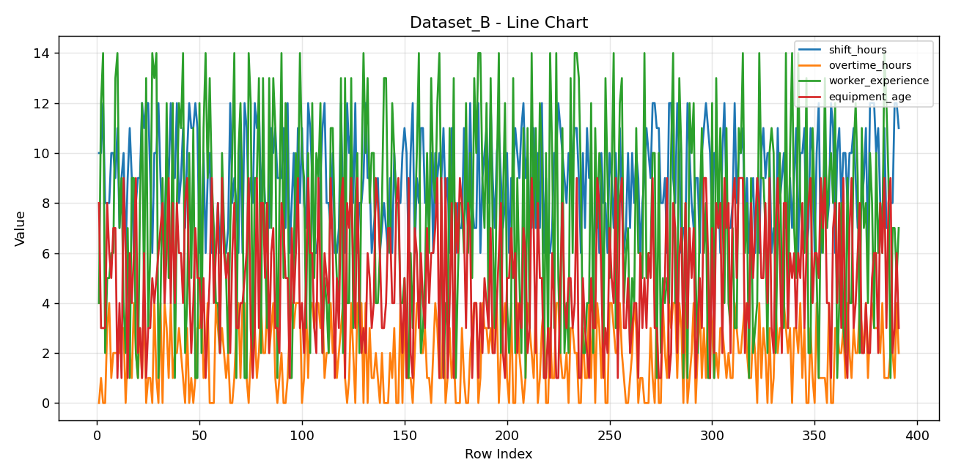

9 | 2 | 1 | 4 | 76 | 31 | 54 | 76 | 1
12 | 2 | 8 | 8 | 63 | 26 | 67 | 64 | 1
8 | 3 | 12 | 6 | 66 | 24 | 38 | 60 | 1
9 | 2 | 11 | 6 | 76 | 33 | 60 | 62 | 1
11 | 1 | 14 | 4 | 99 | 29 | 58 | 93 | 1
7 | 0 | 2 | 8 | 50 | 31 | 82 | 78 | 1
10 | 3 | 4 | 9 | 69 | 25 | 79 | 82 | 1
12 | 0 | 10 | 5 | 72 | 34 | 47 | 86 | 1
11 | 1 | 5 | 2 | 50 | 23 | 52 | 86 | 1
11 | 0 | 11 | 4 | 71 | 35 | 44 | 80 | 1
12 | 1 | 1 | 7 | 94 | 27 | 84 | 65 | 1
11 | 3 | 1 | 5 | 90 | 31 | 81 | 77 | 1
6 | 3 | 12 | 5 | 54 | 24 | 47 | 77 | 1
7 | 4 | 2 | 3 | 61 | 22 | 53 | 94 | 1
10 | 1 | 11 | 5 | 68 | 31 | 73 | 75 | 1
6 | 2 | 14 | 1 | 56 | 30 | 80 | 72 | 1
9 | 4 | 9 | 3 | 56 | 37 | 79 | 91 | 1
10 | 0 | 13 | 5 | 89 | 33 | 58 | 74 | 1
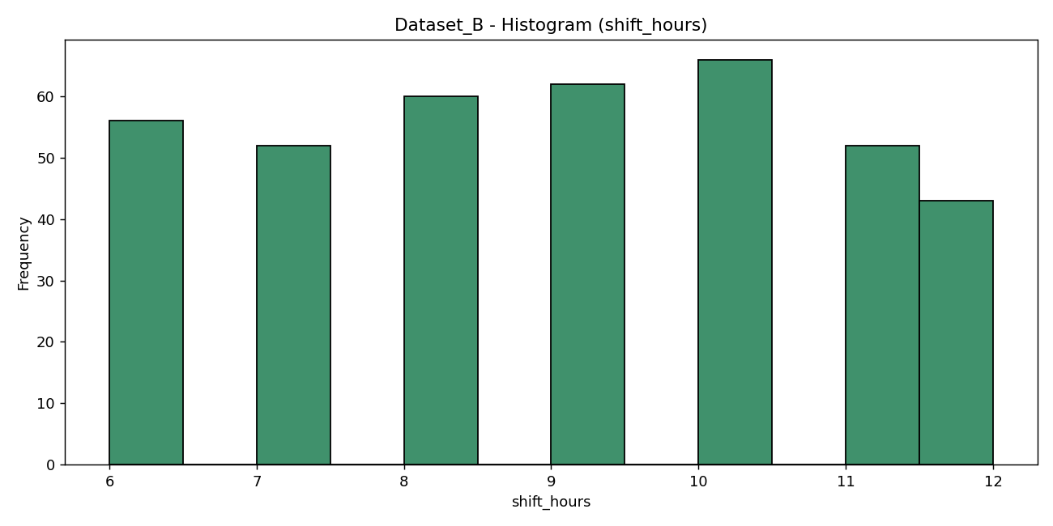
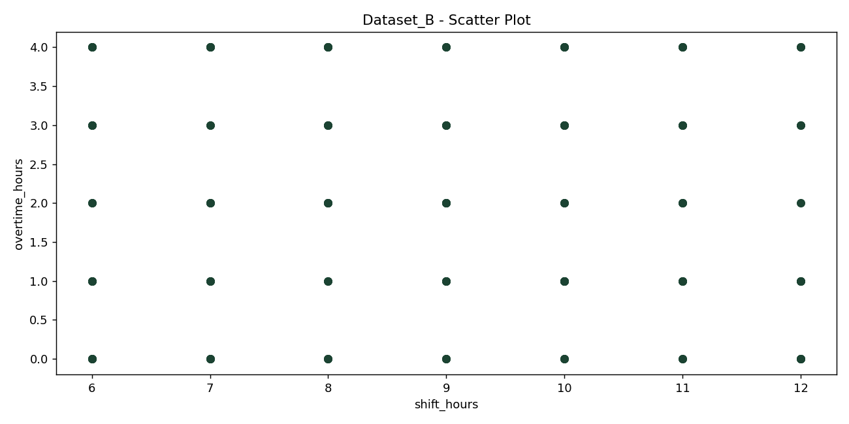
6 | 0 | 9 | 9 | 54 | 29 | 75 | 89 | 1
6 | 0 | 7 | 4 | 91 | 36 | 53 | 98 | 1
6 | 4 | 4 | 6 | 99 | 38 | 62 | 65 | 1
8 | 3 | 4 | 8 | 90 | 34 | 62 | 87 | 1
6 | 2 | 2 | 2 | 97 | 37 | 83 | 67 | 1
8 | 3 | 10 | 9 | 68 | 30 | 71 | 94 | 1
6 | 2 | 7 | 6 | 88 | 33 | 69 | 58 | 1
6 | 1 | 5 | 5 | 50 | 29 | 50 | 55 | 1
7 | 2 | 2 | 6 | 96 | 34 | 82 | 78 | 1
12 | 0 | 7 | 2 | 76 | 38 | 79 | 62 | 1
8 | 0 | 10 | 6 | 78 | 35 | 56 | 84 | 1
9 | 1 | 14 | 8 | 73 | 25 | 55 | 67 | 1
8 | 3 | 1 | 3 | 53 | 34 | 55 | 57 | 1
6 | 4 | 10 | 3 | 52 | 27 | 59 | 80 | 1
11 | 1 | 12 | 4 | 72 | 34 | 57 | 65 | 1
6 | 4 | 8 | 4 | 54 | 37 | 77 | 82 | 1
12 | 4 | 1 | 5 | 86 | 27 | 64 | 76 | 1
11 | 1 | 1 | 6 | 59 | 35 | 47 | 66 | 1
8 | 0 | 14 | 9 | 56 | 31 | 52 | 91 | 1
9 | 2 | 12 | 3 | 71 | 28 | 57 | 70 | 1
8 | 4 | 2 | 1 | 53 | 34 | 79 | 94 | 1
12 | 3 | 9 | 3 | 61 | 31 | 52 | 86 | 1
11 | 1 | 9 | 9 | 54 | 25 | 41 | 65 | 1
12 | 2 | 13 | 3 | 72 | 22 | 82 | 67 | 1
8 | 4 | 2 | 8 | 74 | 29 | 61 | 61 | 1
10 | 2 | 13 | 8 | 97 | 39 | 43 | 94 | 1
8 | 2 | 6 | 5 | 96 | 29 | 60 | 69 | 1
8 | 4 | 3 | 8 | 85 | 36 | 74 | 90 | 1
7 | 2 | 13 | 2 | 70 | 38 | 83 | 58 | 1
11 | 3 | 7 | 6 | 57 | 23 | 54 | 98 | 1
10 | 4 | 13 | 7 | 65 | 38 | 62 | 91 | 1
11 | 1 | 11 | 3 | 80 | 28 | 51 | 77 | 1
9 | 0 | 1 | 3 | 91 | 34 | 62 | 83 | 1
9 | 1 | 8 | 2 | 59 | 39 | 75 | 75 | 1
9 | 2 | 14 | 8 | 81 | 35 | 36 | 99 | 1
11 | 0 | 5 | 7 | 60 | 37 | 40 | 94 | 1
7 | 0 | 12 | 5 | 59 | 29 | 72 | 77 | 1
12 | 1 | 10 | 5 | 71 | 36 | 40 | 70 | 1
6 | 3 | 1 | 1 | 86 | 22 | 69 | 79 | 1
8 | 4 | 1 | 7 | 87 | 33 | 67 | 98 | 1
10 | 3 | 6 | 4 | 85 | 37 | 83 | 87 | 1
6 | 4 | 10 | 6 | 66 | 30 | 58 | 82 | 1
11 | 4 | 8 | 9 | 51 | 22 | 35 | 59 | 1
8 | 4 | 14 | 3 | 89 | 34 | 70 | 82 | 1
11 | 0 | 10 | 4 | 81 | 29 | 79 | 59 | 1
8 | 1 | 9 | 2 | 50 | 22 | 68 | 67 | 1
7 | 4 | 3 | 5 | 96 | 32 | 59 | 93 | 1
12 | 1 | 10 | 9 | 88 | 31 | 68 | 99 | 1
11 | 4 | 2 | 6 | 83 | 28 | 53 | 65 | 1
9 | 4 | 12 | 6 | 78 | 38 | 53 | 92 | 1
6 | 3 | 5 | 3 | 58 | 22 | 59 | 58 | 1
6 | 4 | 10 | 2 | 55 | 27 | 43 | 61 | 1
7 | 4 | 9 | 9 | 55 | 39 | 35 | 95 | 1
9 | 3 | 12 | 5 | 69 | 27 | 76 | 62 | 1
11 | 4 | 2 | 2 | 66 | 34 | 67 | 64 | 1
12 | 1 | 5 | 6 | 98 | 29 | 68 | 97 | 1
8 | 2 | 4 | 5 | 97 | 38 | 78 | 92 | 1
8 | 2 | 2 | 4 | 52 | 29 | 79 | 64 | 1
7 | 4 | 11 | 9 | 64 | 38 | 55 | 58 | 1
10 | 2 | 11 | 6 | 67 | 26 | 77 | 90 | 1
6 | 3 | 7 | 1 | 98 | 25 | 73 | 79 | 1
6 | 1 | 5 | 5 | 68 | 38 | 65 | 77 | 1
7 | 2 | 4 | 3 | 63 | 25 | 43 | 63 | 1
12 | 3 | 13 | 8 | 53 | 24 | 49 | 97 | 1
8 | 4 | 2 | 9 | 68 | 22 | 43 | 95 | 1
6 | 1 | 13 | 1 | 82 | 39 | 43 | 58 | 1
12 | 0 | 4 | 8 | 98 | 37 | 60 | 83 | 1
10 | 1 | 4 | 7 | 68 | 22 | 51 | 99 | 1
11 | 4 | 13 | 9 | 76 | 37 | 69 | 96 | 1
8 | 2 | 3 | 5 | 55 | 25 | 39 | 66 | 1
12 | 0 | 8 | 3 | 89 | 27 | 54 | 59 | 1
6 | 4 | 10 | 9 | 62 | 33 | 49 | 88 | 1
8 | 3 | 2 | 4 | 68 | 37 | 36 | 93 | 1
8 | 4 | 9 | 2 | 69 | 31 | 44 | 89 | 1
9 | 0 | 14 | 3 | 80 | 30 | 65 | 96 | 1
12 | 4 | 10 | 2 | 51 | 26 | 82 | 77 | 1
9 | 0 | 13 | 6 | 86 | 37 | 43 | 58 | 1
9 | 3 | 8 | 5 | 56 | 36 | 45 | 58 | 1
6 | 1 | 10 | 3 | 52 | 33 | 71 | 77 | 1
7 | 1 | 10 | 4 | 65 | 33 | 47 | 78 | 1
8 | 2 | 4 | 9 | 67 | 23 | 47 | 85 | 1
9 | 1 | 4 | 8 | 65 | 39 | 46 | 85 | 1
6 | 0 | 6 | 6 | 82 | 25 | 44 | 97 | 1
7 | 2 | 8 | 3 | 76 | 24 | 73 | 67 | 1
8 | 0 | 13 | 3 | 61 | 38 | 74 | 69 | 1
7 | 0 | 13 | 4 | 82 | 36 | 57 | 70 | 1
6 | 0 | 7 | 7 | 54 | 35 | 63 | 84 | 1
9 | 2 | 6 | 7 | 63 | 35 | 60 | 84 | 1
6 | 1 | 12 | 4 | 99 | 38 | 59 | 76 | 1
10 | 3 | 10 | 4 | 71 | 36 | 78 | 58 | 1
8 | 0 | 8 | 8 | 54 | 25 | 51 | 85 | 1
8 | 0 | 8 | 9 | 82 | 39 | 62 | 77 | 1
8 | 4 | 4 | 4 | 72 | 26 | 52 | 69 | 1
10 | 0 | 4 | 2 | 57 | 32 | 38 | 74 | 1
11 | 4 | 5 | 5 | 51 | 29 | 48 | 98 | 1
10 | 1 | 3 | 1 | 54 | 28 | 53 | 88 | 1
6 | 1 | 1 | 9 | 54 | 33 | 41 | 64 | 1
10 | 1 | 6 | 2 | 90 | 36 | 59 | 67 | 1
12 | 0 | 3 | 1 | 76 | 22 | 81 | 59 | 1
6 | 2 | 7 | 7 | 61 | 31 | 42 | 64 | 1
9 | 4 | 10 | 6 | 52 | 38 | 62 | 81 | 1
8 | 4 | 14 | 3 | 83 | 24 | 53 | 62 | 1
11 | 2 | 2 | 6 | 59 | 38 | 61 | 84 | 1
11 | 2 | 3 | 4 | 87 | 34 | 44 | 75 | 1
8 | 3 | 5 | 3 | 75 | 27 | 70 | 71 | 1
8 | 1 | 10 | 7 | 76 | 35 | 58 | 94 | 1
7 | 1 | 6 | 4 | 78 | 34 | 52 | 92 | 1
10 | 0 | 13 | 6 | 96 | 27 | 57 | 97 | 1
6 | 2 | 9 | 6 | 69 | 35 | 63 | 90 | 1
10 | 4 | 8 | 7 | 93 | 36 | 58 | 87 | 1
9 | 3 | 12 | 9 | 68 | 34 | 45 | 83 | 1
10 | 1 | 14 | 1 | 69 | 38 | 60 | 97 | 1
9 | 1 | 7 | 9 | 71 | 36 | 48 | 55 | 1
11 | 4 | 1 | 1 | 58 | 25 | 42 | 77 | 1
8 | 0 | 4 | 9 | 82 | 38 | 54 | 74 | 1
9 | 1 | 3 | 1 | 81 | 35 | 82 | 92 | 1
6 | 3 | 11 | 4 | 85 | 33 | 43 | 75 | 1
11 | 1 | 6 | 8 | 51 | 36 | 79 | 72 | 1
9 | 2 | 13 | 1 | 68 | 24 | 38 | 87 | 1
6 | 0 | 1 | 8 | 75 | 38 | 69 | 55 | 1
8 | 0 | 5 | 6 | 71 | 38 | 61 | 94 | 1
7 | 0 | 8 | 9 | 85 | 28 | 50 | 57 | 1
7 | 3 | 8 | 8 | 79 | 39 | 41 | 99 | 1
11 | 1 | 6 | 7 | 56 | 37 | 70 | 77 | 1
8 | 0 | 12 | 3 | 68 | 29 | 69 | 63 | 1
7 | 0 | 6 | 8 | 59 | 37 | 39 | 56 | 1
12 | 2 | 10 | 7 | 87 | 28 | 51 | 56 | 1
8 | 3 | 5 | 1 | 59 | 23 | 57 | 73 | 1
7 | 4 | 13 | 4 | 99 | 29 | 52 | 71 | 1
7 | 4 | 10 | 4 | 70 | 31 | 49 | 61 | 1
12 | 0 | 14 | 1 | 74 | 37 | 49 | 71 | 1
6 | 1 | 14 | 4 | 77 | 24 | 40 | 93 | 1
9 | 4 | 9 | 2 | 96 | 31 | 61 | 90 | 1
10 | 3 | 7 | 5 | 64 | 27 | 49 | 94 | 1
11 | 3 | 12 | 4 | 58 | 26 | 42 | 92 | 1
8 | 2 | 3 | 3 | 68 | 32 | 81 | 84 | 1
12 | 3 | 13 | 7 | 66 | 26 | 75 | 58 | 1
9 | 2 | 7 | 2 | 92 | 27 | 68 | 78 | 1
7 | 4 | 3 | 2 | 91 | 33 | 74 | 63 | 1
10 | 4 | 9 | 4 | 81 | 31 | 78 | 72 | 1
11 | 0 | 14 | 6 | 96 | 27 | 48 | 71 | 1
9 | 2 | 2 | 8 | 97 | 32 | 63 | 77 | 1
7 | 3 | 8 | 2 | 83 | 38 | 65 | 71 | 1
8 | 4 | 12 | 1 | 52 | 30 | 42 | 63 | 1
10 | 1 | 4 | 5 | 60 | 27 | 36 | 82 | 1
6 | 0 | 2 | 5 | 65 | 24 | 51 | 78 | 1
9 | 4 | 4 | 7 | 97 | 32 | 59 | 81 | 1
9 | 0 | 13 | 5 | 68 | 30 | 55 | 74 | 1
11 | 0 | 2 | 6 | 85 | 33 | 56 | 55 | 1
10 | 4 | 9 | 2 | 62 | 35 | 69 | 75 | 1
9 | 2 | 5 | 4 | 95 | 22 | 71 | 99 | 1
11 | 1 | 2 | 3 | 52 | 39 | 50 | 55 | 1
12 | 0 | 11 | 7 | 59 | 38 | 84 | 64 | 1
9 | 1 | 1 | 6 | 76 | 31 | 51 | 76 | 1
10 | 4 | 11 | 2 | 95 | 36 | 50 | 72 | 1
7 | 3 | 3 | 3 | 57 | 26 | 36 | 86 | 1
7 | 2 | 14 | 9 | 91 | 23 | 55 | 82 | 1
11 | 1 | 7 | 7 | 66 | 34 | 73 | 72 | 1
7 | 4 | 11 | 2 | 82 | 35 | 39 | 61 | 1
10 | 0 | 6 | 8 | 86 | 24 | 54 | 90 | 1
7 | 1 | 12 | 5 | 58 | 37 | 50 | 72 | 1
12 | 3 | 10 | 5 | 51 | 24 | 74 | 63 | 1
6 | 4 | 1 | 1 | 87 | 32 | 39 | 89 | 1
9 | 0 | 10 | 1 | 89 | 34 | 76 | 72 | 1
6 | 0 | 2 | 3 | 99 | 38 | 43 | 68 | 1
6 | 3 | 14 | 1 | 64 | 31 | 56 | 58 | 1
7 | 1 | 10 | 6 | 67 | 32 | 56 | 74 | 1
10 | 1 | 3 | 4 | 62 | 24 | 80 | 56 | 1
10 | 4 | 14 | 1 | 56 | 33 | 41 | 76 | 1
12 | 4 | 5 | 1 | 73 | 36 | 67 | 77 | 1
11 | 2 | 2 | 5 | 77 | 37 | 58 | 92 | 1
10 | 1 | 11 | 8 | 64 | 31 | 38 | 58 | 1
9 | 1 | 2 | 4 | 63 | 25 | 61 | 79 | 1
8 | 2 | 4 | 3 | 99 | 23 | 66 | 61 | 1
10 | 0 | 2 | 5 | 70 | 36 | 75 | 59 | 1
9 | 3 | 13 | 5 | 78 | 29 | 40 | 96 | 1
10 | 3 | 6 | 3 | 54 | 33 | 50 | 92 | 1
11 | 2 | 14 | 4 | 77 | 38 | 84 | 72 | 1
11 | 2 | 14 | 9 | 99 | 25 | 58 | 64 | 1
9 | 0 | 13 | 1 | 94 | 37 | 52 | 98 | 1
6 | 0 | 9 | 1 | 54 | 35 | 76 | 93 | 1
10 | 3 | 2 | 5 | 61 | 34 | 52 | 92 | 1
7 | 1 | 2 | 3 | 72 | 36 | 68 | 98 | 1
11 | 1 | 4 | 2 | 74 | 25 | 38 | 69 | 1
9 | 4 | 4 | 1 | 73 | 35 | 41 | 60 | 1
9 | 1 | 12 | 5 | 94 | 31 | 76 | 86 | 1
6 | 4 | 2 | 3 | 95 | 39 | 38 | 57 | 1
7 | 0 | 11 | 3 | 65 | 34 | 63 | 67 | 1
9 | 4 | 7 | 9 | 58 | 25 | 43 | 93 | 1
6 | 3 | 10 | 8 | 90 | 36 | 58 | 86 | 1
10 | 1 | 9 | 5 | 54 | 30 | 61 | 64 | 1
8 | 4 | 2 | 1 | 91 | 25 | 72 | 63 | 1
8 | 0 | 13 | 3 | 72 | 32 | 83 | 75 | 1
6 | 0 | 9 | 2 | 52 | 25 | 81 | 92 | 1
10 | 4 | 5 | 7 | 96 | 30 | 64 | 58 | 1
9 | 4 | 9 | 5 | 86 | 31 | 63 | 91 | 1
7 | 3 | 14 | 4 | 81 | 31 | 54 | 85 | 1
10 | 2 | 3 | 9 | 95 | 24 | 63 | 98 | 1
7 | 2 | 7 | 1 | 55 | 32 | 72 | 90 | 1
11 | 4 | 12 | 8 | 93 | 22 | 48 | 94 | 1
8 | 2 | 13 | 9 | 79 | 25 | 59 | 71 | 1
6 | 1 | 4 | 3 | 71 | 28 | 49 | 95 | 1
7 | 0 | 6 | 3 | 66 | 33 | 37 | 56 | 1
10 | 0 | 7 | 5 | 92 | 38 | 53 | 82 | 1
7 | 1 | 2 | 2 | 81 | 22 | 78 | 97 | 1
10 | 2 | 5 | 3 | 91 | 32 | 68 | 80 | 1
8 | 4 | 4 | 4 | 63 | 22 | 69 | 76 | 1
10 | 3 | 11 | 4 | 58 | 31 | 40 | 78 | 1
9 | 0 | 6 | 1 | 77 | 33 | 35 | 74 | 1
6 | 1 | 6 | 6 | 68 | 32 | 78 | 99 | 1
8 | 1 | 5 | 3 | 64 | 34 | 74 | 66 | 1
9 | 0 | 14 | 5 | 77 | 24 | 60 | 67 | 1
11 | 0 | 5 | 3 | 96 | 23 | 44 | 99 | 1
10 | 0 | 6 | 6 | 82 | 38 | 77 | 89 | 1
9 | 3 | 6 | 5 | 82 | 37 | 51 | 57 | 1
12 | 1 | 10 | 9 | 52 | 27 | 41 | 80 | 1
12 | 0 | 10 | 3 | 89 | 31 | 41 | 61 | 1
11 | 4 | 1 | 3 | 78 | 30 | 80 | 57 | 1
11 | 0 | 10 | 1 | 62 | 26 | 48 | 65 | 1
8 | 0 | 2 | 1 | 96 | 30 | 53 | 60 | 1
8 | 4 | 5 | 4 | 62 | 37 | 36 | 95 | 1
9 | 2 | 4 | 5 | 98 | 23 | 84 | 74 | 1
6 | 1 | 5 | 9 | 56 | 31 | 66 | 93 | 1
12 | 4 | 4 | 1 | 62 | 23 | 75 | 71 | 1
12 | 3 | 10 | 2 | 98 | 23 | 81 | 60 | 1
9 | 4 | 14 | 8 | 52 | 22 | 40 | 77 | 1
8 | 4 | 4 | 7 | 56 | 25 | 53 | 81 | 1
12 | 1 | 4 | 2 | 88 | 35 | 40 | 92 | 1
10 | 4 | 13 | 6 | 78 | 35 | 49 | 91 | 1
6 | 3 | 10 | 7 | 65 | 23 | 67 | 93 | 1
7 | 0 | 1 | 2 | 50 | 34 | 61 | 84 | 1
7 | 4 | 8 | 8 | 78 | 25 | 39 | 85 | 1
12 | 0 | 1 | 3 | 90 | 25 | 50 | 96 | 1
10 | 1 | 12 | 7 | 90 | 34 | 72 | 72 | 1
8 | 2 | 10 | 5 | 68 | 34 | 69 | 89 | 1
7 | 4 | 12 | 7 | 51 | 37 | 49 | 88 | 1
9 | 0 | 5 | 1 | 94 | 25 | 57 | 56 | 1
9 | 2 | 2 | 3 | 95 | 35 | 75 | 70 | 1
6 | 4 | 8 | 5 | 79 | 27 | 75 | 59 | 1
10 | 1 | 11 | 3 | 89 | 33 | 57 | 82 | 1
11 | 3 | 6 | 9 | 67 | 37 | 41 | 93 | 1
12 | 1 | 8 | 9 | 97 | 38 | 37 | 99 | 1
11 | 4 | 1 | 6 | 51 | 34 | 66 | 74 | 1
10 | 4 | 1 | 1 | 81 | 35 | 65 | 78 | 1
7 | 3 | 12 | 7 | 57 | 28 | 52 | 81 | 1
10 | 1 | 1 | 2 | 64 | 33 | 40 | 92 | 1
10 | 2 | 13 | 8 | 67 | 29 | 60 | 88 | 1
9 | 1 | 7 | 7 | 94 | 32 | 70 | 80 | 1
6 | 3 | 11 | 8 | 64 | 22 | 55 | 85 | 1
10 | 3 | 8 | 2 | 78 | 29 | 81 | 93 | 1
12 | 2 | 4 | 9 | 89 | 27 | 66 | 87 | 1
8 | 1 | 11 | 7 | 76 | 33 | 84 | 93 | 1
7 | 2 | 4 | 8 | 79 | 32 | 36 | 85 | 1
7 | 1 | 3 | 2 | 92 | 28 | 70 | 92 | 1
8 | 1 | 7 | 8 | 51 | 36 | 84 | 56 | 1
12 | 4 | 3 | 9 | 98 | 32 | 41 | 81 | 1
8 | 3 | 3 | 5 | 77 | 24 | 49 | 65 | 1
10 | 2 | 11 | 9 | 80 | 35 | 59 | 72 | 1
10 | 2 | 10 | 9 | 83 | 24 | 57 | 55 | 1
11 | 3 | 14 | 9 | 74 | 22 | 67 | 85 | 1
7 | 4 | 6 | 2 | 85 | 38 | 45 | 82 | 1
9 | 2 | 8 | 4 | 57 | 23 | 44 | 93 | 1
6 | 1 | 1 | 3 | 94 | 22 | 77 | 92 | 1
8 | 1 | 9 | 8 | 66 | 26 | 79 | 56 | 1
9 | 3 | 2 | 5 | 86 | 33 | 74 | 98 | 1
6 | 2 | 3 | 7 | 93 | 30 | 67 | 59 | 1
9 | 0 | 4 | 9 | 56 | 25 | 58 | 56 | 1
6 | 4 | 14 | 8 | 77 | 27 | 71 | 88 | 1
10 | 1 | 9 | 5 | 78 | 34 | 43 | 66 | 1
11 | 3 | 9 | 5 | 66 | 36 | 38 | 90 | 1
9 | 2 | 7 | 8 | 72 | 32 | 51 | 60 | 1
10 | 0 | 2 | 4 | 52 | 29 | 82 | 64 | 1
10 | 3 | 10 | 9 | 70 | 31 | 64 | 59 | 1
6 | 0 | 11 | 3 | 57 | 32 | 76 | 55 | 1
7 | 1 | 10 | 2 | 89 | 27 | 82 | 70 | 1
6 | 4 | 2 | 7 | 51 | 27 | 79 | 85 | 1
11 | 2 | 7 | 9 | 79 | 35 | 52 | 67 | 1
8 | 3 | 10 | 6 | 65 | 29 | 38 | 80 | 1
9 | 3 | 5 | 2 | 72 | 27 | 47 | 61 | 1
10 | 4 | 3 | 8 | 81 | 33 | 61 | 75 | 1
7 | 3 | 14 | 8 | 98 | 32 | 49 | 62 | 1
7 | 2 | 3 | 3 | 87 | 34 | 60 | 85 | 1
9 | 3 | 10 | 6 | 52 | 25 | 60 | 83 | 1
7 | 0 | 14 | 5 | 79 | 32 | 59 | 63 | 1
9 | 3 | 7 | 6 | 79 | 28 | 60 | 84 | 1
11 | 3 | 5 | 3 | 95 | 39 | 66 | 90 | 1
6 | 2 | 14 | 6 | 56 | 25 | 76 | 76 | 1
10 | 4 | 8 | 5 | 71 | 35 | 53 | 61 | 1
10 | 1 | 7 | 8 | 64 | 24 | 46 | 83 | 1
11 | 3 | 6 | 3 | 73 | 35 | 60 | 85 | 1
6 | 0 | 13 | 6 | 82 | 31 | 80 | 78 | 1
7 | 0 | 2 | 8 | 57 | 38 | 70 | 80 | 1
11 | 3 | 2 | 9 | 50 | 39 | 50 | 83 | 1
10 | 1 | 11 | 4 | 70 | 31 | 59 | 62 | 1
6 | 0 | 8 | 6 | 54 | 27 | 42 | 96 | 1
10 | 4 | 5 | 6 | 74 | 25 | 50 | 81 | 1
12 | 1 | 1 | 5 | 89 | 25 | 50 | 79 | 1
6 | 1 | 8 | 9 | 78 | 32 | 41 | 63 | 1
8 | 1 | 6 | 7 | 89 | 22 | 48 | 55 | 1
10 | 1 | 13 | 9 | 67 | 30 | 60 | 96 | 1
7 | 0 | 7 | 4 | 57 | 29 | 41 | 57 | 1
8 | 4 | 9 | 4 | 82 | 39 | 60 | 60 | 1
12 | 0 | 10 | 1 | 69 | 37 | 38 | 56 | 1
11 | 0 | 8 | 7 | 61 | 24 | 60 | 66 | 1
6 | 3 | 12 | 8 | 80 | 25 | 36 | 91 | 1
10 | 3 | 1 | 4 | 59 | 28 | 64 | 78 | 1
11 | 2 | 4 | 8 | 52 | 37 | 83 | 74 | 1
8 | 2 | 8 | 3 | 94 | 35 | 46 | 55 | 1
10 | 3 | 3 | 9 | 76 | 37 | 60 | 55 | 1
10 | 1 | 2 | 2 | 80 | 30 | 67 | 55 | 1
8 | 4 | 9 | 1 | 71 | 27 | 36 | 55 | 1
10 | 2 | 4 | 7 | 87 | 33 | 76 | 78 | 1
10 | 1 | 4 | 9 | 80 | 29 | 43 | 64 | 1
11 | 3 | 10 | 3 | 73 | 39 | 49 | 78 | 1
9 | 2 | 12 | 4 | 85 | 31 | 82 | 94 | 1
7 | 2 | 9 | 6 | 84 | 30 | 80 | 70 | 1
7 | 4 | 2 | 8 | 52 | 33 | 37 | 69 | 1
8 | 3 | 11 | 2 | 59 | 23 | 70 | 69 | 1
9 | 2 | 7 | 2 | 74 | 33 | 50 | 58 | 1
11 | 4 | 8 | 4 | 78 | 24 | 68 | 59 | 1
6 | 1 | 4 | 2 | 74 | 26 | 56 | 88 | 1
12 | 3 | 10 | 2 | 97 | 33 | 46 | 95 | 1
12 | 4 | 8 | 5 | 68 | 32 | 64 | 96 | 1
12 | 3 | 3 | 6 | 73 | 39 | 41 | 61 | 1
10 | 3 | 10 | 6 | 60 | 25 | 66 | 93 | 1
11 | 3 | 6 | 2 | 83 | 23 | 53 | 66 | 1
8 | 2 | 8 | 8 | 54 | 27 | 61 | 87 | 1
7 | 4 | 6 | 6 | 53 | 28 | 41 | 95 | 1
11 | 1 | 14 | 9 | 98 | 38 | 39 | 61 | 1
7 | 1 | 12 | 3 | 69 | 34 | 49 | 58 | 1
7 | 1 | 9 | 8 | 87 | 26 | 37 | 74 | 1
8 | 2 | 1 | 9 | 60 | 31 | 71 | 82 | 1
8 | 2 | 7 | 2 | 81 | 28 | 43 | 67 | 1
12 | 1 | 7 | 3 | 60 | 36 | 49 | 55 | 1
12 | 4 | 5 | 6 | 70 | 24 | 55 | 73 | 1
11 | 2 | 7 | 3 | 54 | 33 | 55 | 59 | 1

Dataset_B Statistical Summary
dataset | column | metric | value
Dataset_B | shift_hours | mean | 8.915601023
Dataset_B | shift_hours | median | 9
Dataset_B | shift_hours | mode | 10
Dataset_B | shift_hours | std | 1.9149980476
Dataset_B | shift_hours | variance | 3.6672175225
Dataset_B | shift_hours | min | 6
Dataset_B | shift_hours | max | 12
Dataset_B | overtime_hours | mean | 1.9948849105
Dataset_B | overtime_hours | median | 2
Dataset_B | overtime_hours | mode | 1
Dataset_B | overtime_hours | std | 1.4375814535
Dataset_B | overtime_hours | variance | 2.0666404354
Dataset_B | overtime_hours | min | 0
Dataset_B | overtime_hours | max | 4
Dataset_B | worker_experience | mean | 7.3887468031
Dataset_B | worker_experience | median | 7
Dataset_B | worker_experience | mode | 2
Dataset_B | worker_experience | std | 4.0739669088
Dataset_B | worker_experience | variance | 16.597206374
Dataset_B | worker_experience | min | 1
Dataset_B | worker_experience | max | 14
Dataset_B | equipment_age | mean | 5.0076726343
Dataset_B | equipment_age | median | 5
Dataset_B | equipment_age | mode | 3
Dataset_B | equipment_age | std | 2.536390016
Dataset_B | equipment_age | variance | 6.4332743131
Dataset_B | equipment_age | min | 1
Dataset_B | equipment_age | max | 9
Dataset_B | maintenance_score | mean | 73.189258312
Dataset_B | maintenance_score | median | 72
Dataset_B | maintenance_score | mode | 52
Dataset_B | maintenance_score | std | 14.466051761
Dataset_B | maintenance_score | variance | 209.26665355
Dataset_B | maintenance_score | min | 50
Dataset_B | maintenance_score | max | 99
Dataset_B | temperature | mean | 30.907928389
Dataset_B | temperature | median | 31
Dataset_B | temperature | mode | 31
Dataset_B | temperature | std | 5.0861010764
Dataset_B | temperature | variance | 25.868424159
Dataset_B | temperature | min | 22
Dataset_B | temperature | max | 39
Dataset_B | humidity | mean | 58.823529412
Dataset_B | humidity | median | 58
Dataset_B | humidity | mode | 60
Dataset_B | humidity | std | 14.120618089
Dataset_B | humidity | variance | 199.3918552
Dataset_B | humidity | min | 35
Dataset_B | humidity | max | 84
Dataset_B | inspection_score | mean | 76.350383632
Dataset_B | inspection_score | median | 77
Dataset_B | inspection_score | mode | 58
Dataset_B | inspection_score | std | 13.511343519
Dataset_B | inspection_score | variance | 182.5564037
Dataset_B | inspection_score | min | 55
Dataset_B | inspection_score | max | 99
Dataset_B | accident | mean | 1
Dataset_B | accident | median | 1
Dataset_B | accident | mode | 1
Dataset_B | accident | std | 0
Dataset_B | accident | variance | 0
Dataset_B | accident | min | 1
Dataset_B | accident | max | 1

Split logic: Split by accident flag: 0 -> Dataset_A, 1 -> Dataset_B.
- Line chart (Dataset_B): shows row-wise trends; larger fluctuations indicate higher variability in observed factors.
- Bar chart (Dataset_B): compares average magnitude across variables and highlights dominant factors.
- Histogram (Dataset_B): illustrates distribution shape for shift_hours, useful for skewness or concentration checks.
- Scatter plot (Dataset_B): evaluates pairwise relation between shift_hours and overtime_hours for visible linear/nonlinear association.

Individual Analysis - Original
Original Dataset Statistical Analysis
dataset | column | metric | value
Original | shift_hours | mean | 8.96
Original | shift_hours | median | 9
Original | shift_hours | mode | 6
Original | shift_hours | std | 2.003600363
Original | shift_hours | variance | 4.0144144144
Original | shift_hours | min | 6
Original | shift_hours | max | 12
Original | overtime_hours | mean | 1.98
Original | overtime_hours | median | 2
Original | overtime_hours | mode | 2
Original | overtime_hours | std | 1.4161940565
Original | overtime_hours | variance | 2.0056056056
Original | overtime_hours | min | 0
Original | overtime_hours | max | 4
Original | worker_experience | mean | 7.44
Original | worker_experience | median | 7
Original | worker_experience | mode | 5
Original | worker_experience | std | 4.016781614
Original | worker_experience | variance | 16.134534535
Original | worker_experience | min | 1
Original | worker_experience | max | 14
Original | equipment_age | mean | 5.007
Original | equipment_age | median | 5
Original | equipment_age | mode | 3
Original | equipment_age | std | 2.5899147976
Original | equipment_age | variance | 6.7076586587
Original | equipment_age | min | 1
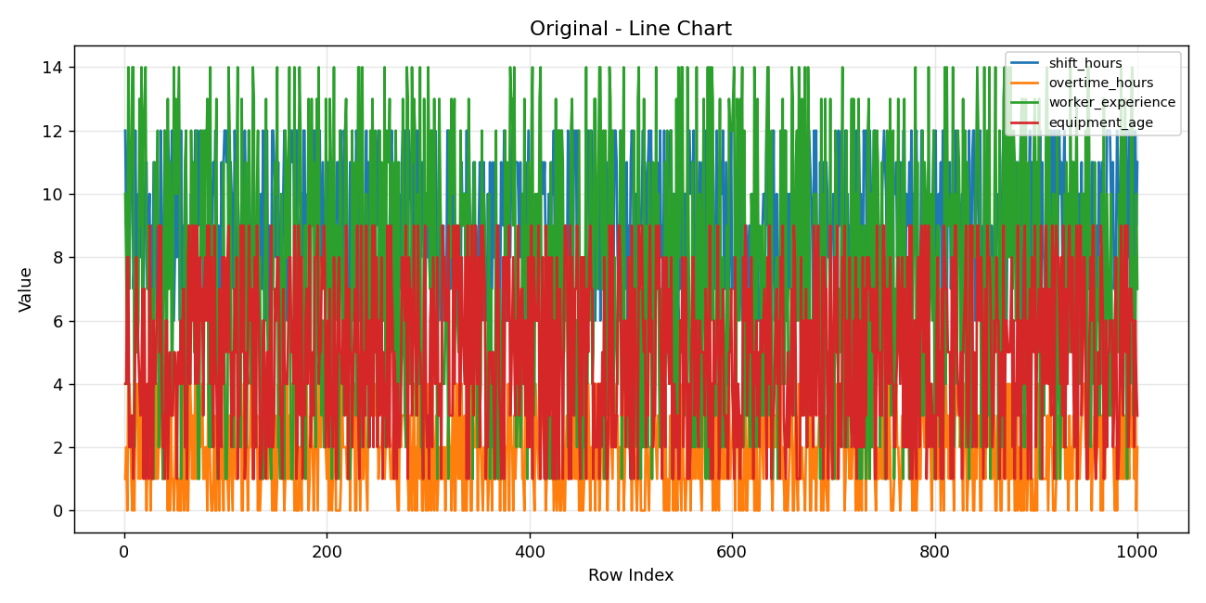

Original | equipment_age | max | 9
Original | maintenance_score | mean | 74.491
Original | maintenance_score | median | 74
Original | maintenance_score | mode | 78
Original | maintenance_score | std | 14.61148228
Original | maintenance_score | variance | 213.49541441
Original | maintenance_score | min | 50
Original | maintenance_score | max | 99
Original | temperature | mean | 30.869
Original | temperature | median | 31
Original | temperature | mode | 34
Original | temperature | std | 5.0728268818
Original | temperature | variance | 25.733572573
Original | temperature | min | 22
Original | temperature | max | 39
Original | humidity | mean | 59.385
Original | humidity | median | 59
Original | humidity | mode | 52
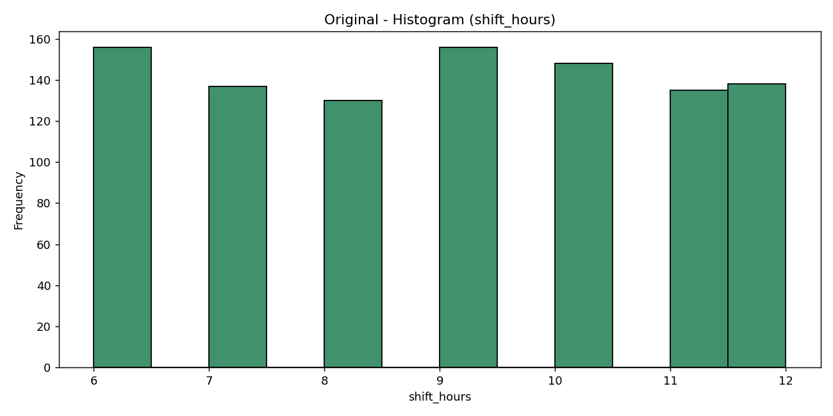
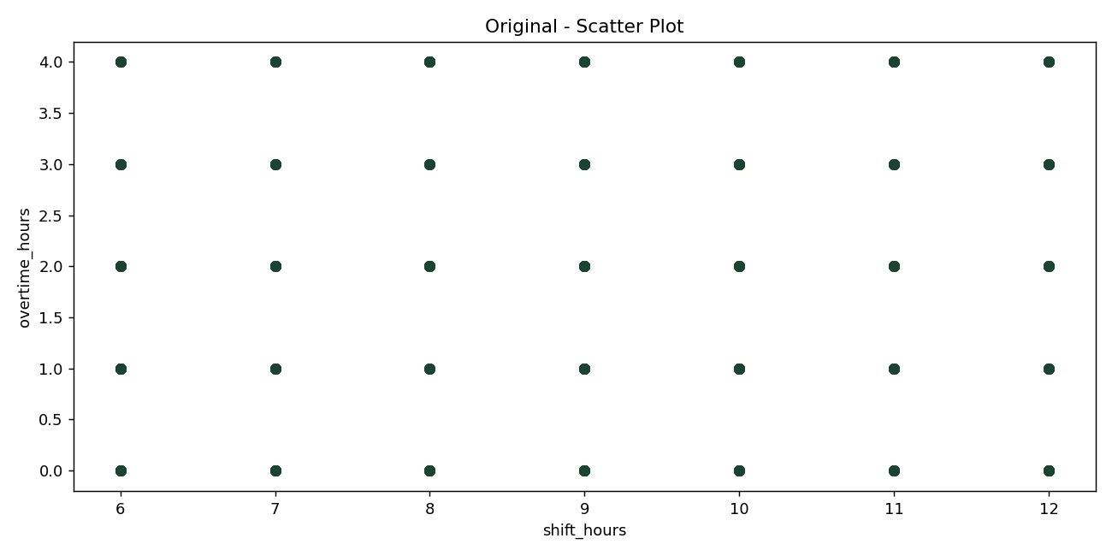
Original | humidity | std | 14.241825887
Original | humidity | variance | 202.8296046
Original | humidity | min | 35
Original | humidity | max | 84
Original | inspection_score | mean | 76.729
Original | inspection_score | median | 77
Original | inspection_score | mode | 92
Original | inspection_score | std | 13.109134541
Original | inspection_score | variance | 171.84940841
Original | inspection_score | min | 55
Original | inspection_score | max | 99
Original | accident | mean | 0.391
Original | accident | median | 0
Original | accident | mode | 0
Original | accident | std | 0.48821855491
Original | accident | variance | 0.23835735736
Original | accident | min | 0
Original | accident | max | 1

- Line chart (Original): shows row-wise trends; larger fluctuations indicate higher variability in observed factors.
- Bar chart (Original): compares average magnitude across variables and highlights dominant factors.
- Histogram (Original): illustrates distribution shape for shift_hours, useful for skewness or concentration checks.
- Scatter plot (Original): evaluates pairwise relation between shift_hours and overtime_hours for visible linear/nonlinear association.

Individual Analysis - Image Data
Image Dataset Statistical Analysis
dataset | column | metric | value
Image | shift_hours | mean | 10.2
Image | shift_hours | median | 10
Image | shift_hours | mode | 12
Image | shift_hours | std | 1.788854382
Image | shift_hours | variance | 3.2
Image | shift_hours | min | 8
Image | shift_hours | max | 12
Image | overtime_hours | mean | 2.6
Image | overtime_hours | median | 3
Image | overtime_hours | mode | 4
Image | overtime_hours | std | 1.6733200531
Image | overtime_hours | variance | 2.8
Image | overtime_hours | min | 0
Image | overtime_hours | max | 4
Image | worker_experience | mean | 7.8
Image | worker_experience | median | 6
Image | worker_experience | mode | 6
Image | worker_experience | std | 3.4928498393
Image | worker_experience | variance | 12.2
Image | worker_experience | min | 4
Image | worker_experience | max | 12
Image | equipment_age | mean | 3.4
Image | equipment_age | median | 3
Image | equipment_age | mode | 1
Image | equipment_age | std | 2.0736441353
Image | equipment_age | variance | 4.3
Image | equipment_age | min | 1
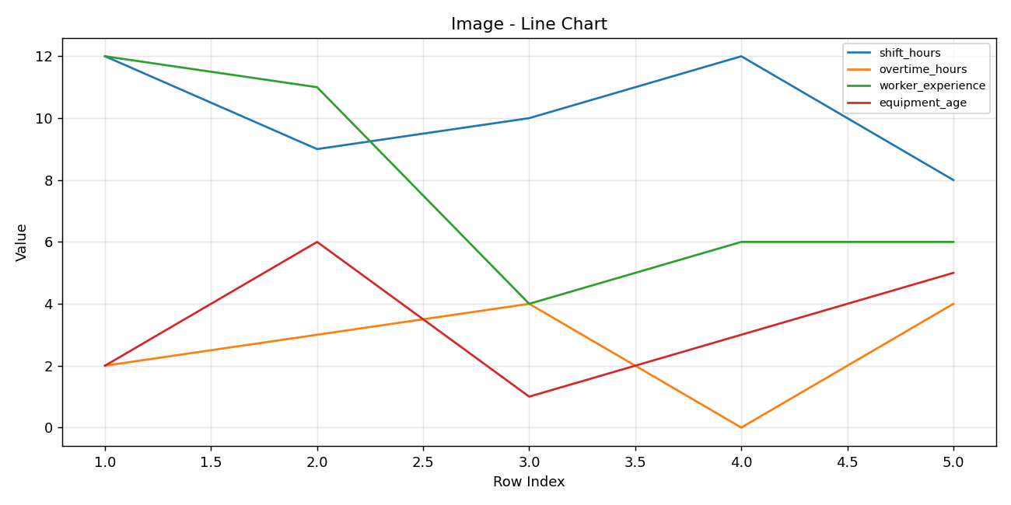
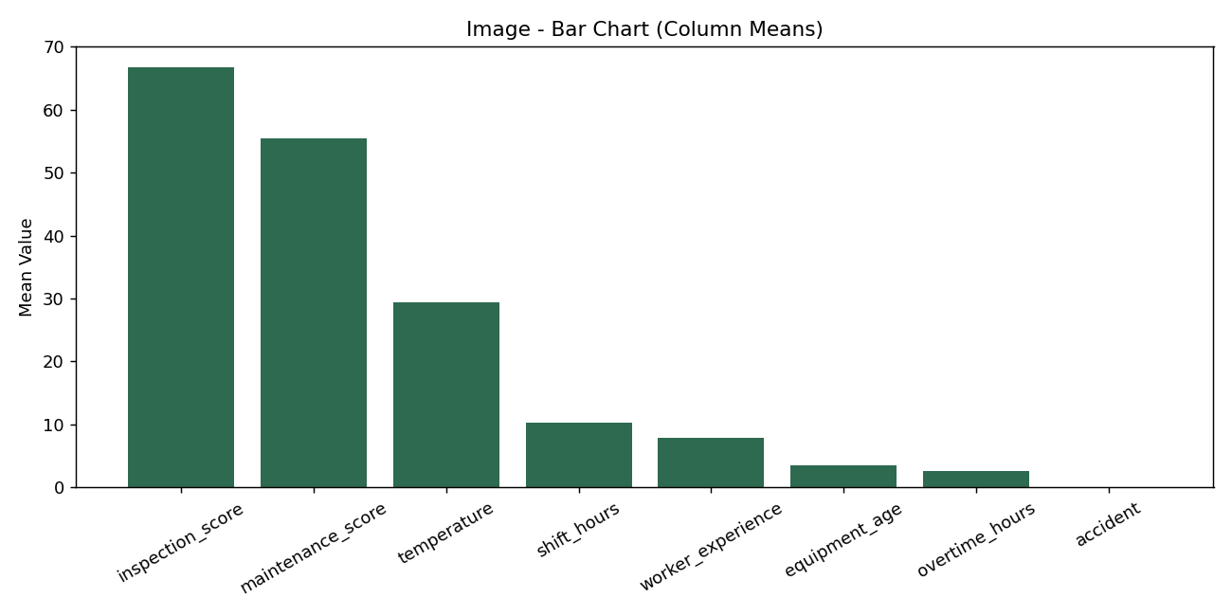
Image | equipment_age | max | 6
Image | maintenance_score | mean | 55.4
Image | maintenance_score | median | 53
Image | maintenance_score | mode | 41
Image | maintenance_score | std | 13.277801023
Image | maintenance_score | variance | 176.3
Image | maintenance_score | min | 41
Image | maintenance_score | max | 76
Image | temperature | mean | 29.4
Image | temperature | median | 26
Image | temperature | mode | 22
Image | temperature | std | 7.2318738927
Image | temperature | variance | 52.3
Image | temperature | min | 22
Image | temperature | max | 39
Image | inspection_score | mean | 66.8
Image | inspection_score | median | 71
Image | inspection_score | mode | 77
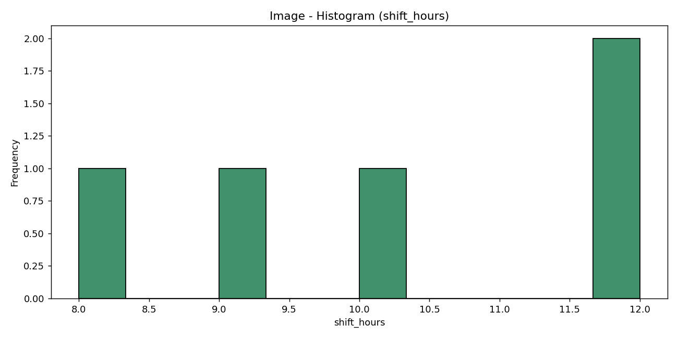
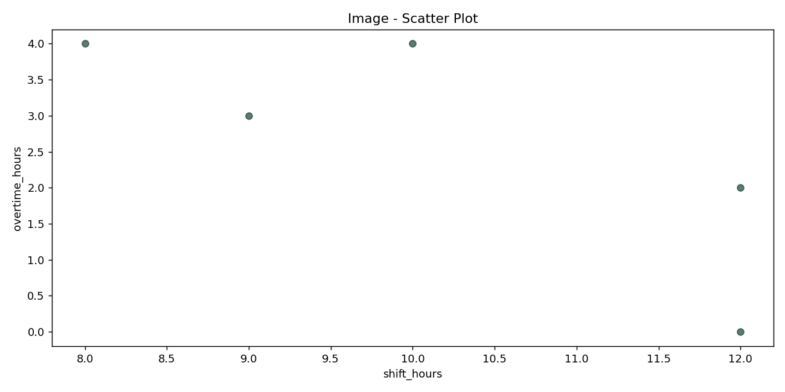
Image | inspection_score | std | 11.541230437
Image | inspection_score | variance | 133.2
Image | inspection_score | min | 53
Image | inspection_score | max | 77
Image | accident | mean | 0
Image | accident | median | 0
Image | accident | mode | 0
Image | accident | std | 0
Image | accident | variance | 0
Image | accident | min | 0
Image | accident | max | 0

- Line chart (Image): shows row-wise trends; larger fluctuations indicate higher variability in observed factors.
- Bar chart (Image): compares average magnitude across variables and highlights dominant factors.
- Histogram (Image): illustrates distribution shape for shift_hours, useful for skewness or concentration checks.
- Scatter plot (Image): evaluates pairwise relation between shift_hours and overtime_hours for visible linear/nonlinear association.

Combined Analysis
Fused Dataset Statistical Analysis
dataset | column | metric | value
Fused | shift_hours | mean | 8.9630922693
Fused | shift_hours | median | 9
Fused | shift_hours | mode | 9
Fused | shift_hours | std | 2.0031498186
Fused | shift_hours | variance | 4.0126091956
Fused | shift_hours | min | 6
Fused | shift_hours | max | 12
Fused | overtime_hours | mean | 1.9815461347
Fused | overtime_hours | median | 2
Fused | overtime_hours | mode | 2
Fused | overtime_hours | std | 1.4163849445
Fused | overtime_hours | variance | 2.0061463109
Fused | overtime_hours | min | 0
Fused | overtime_hours | max | 4
Fused | worker_experience | mean | 7.4408977556
Fused | worker_experience | median | 7
Fused | worker_experience | mode | 5
Fused | worker_experience | std | 4.0138387348
Fused | worker_experience | variance | 16.110901389
Fused | worker_experience | min | 1
Fused | worker_experience | max | 14
Fused | equipment_age | mean | 5.0029925187
Fused | equipment_age | median | 5
Fused | equipment_age | mode | 3
Fused | equipment_age | std | 2.5889352736
Fused | equipment_age | variance | 6.7025858507
Fused | equipment_age | min | 1
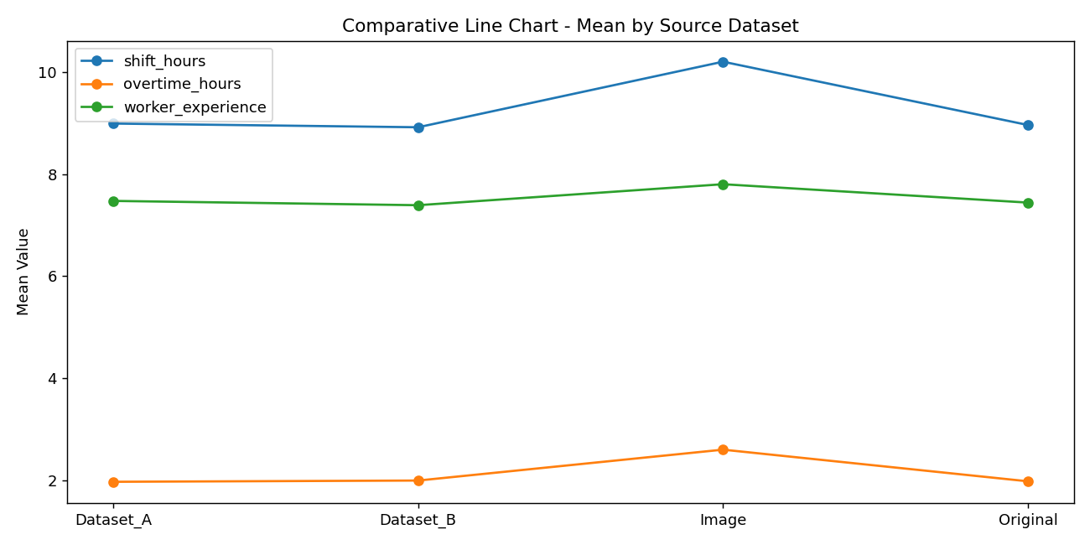
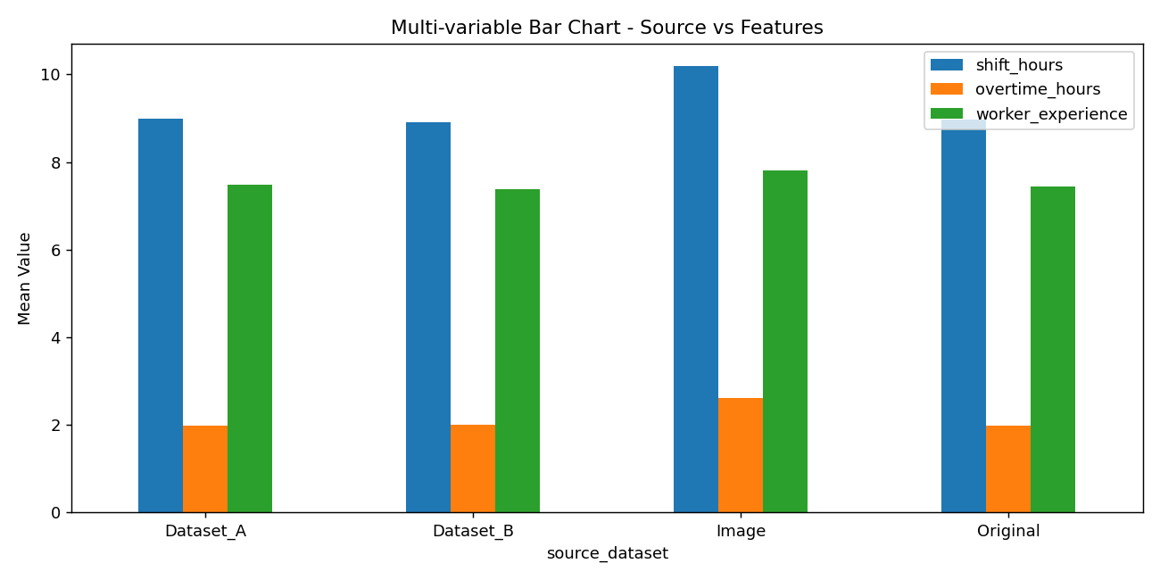
Fused | equipment_age | max | 9
Fused | maintenance_score | mean | 74.443391521
Fused | maintenance_score | median | 74
Fused | maintenance_score | mode | 78
Fused | maintenance_score | std | 14.632675152
Fused | maintenance_score | variance | 214.1151821
Fused | maintenance_score | min | 41
Fused | maintenance_score | max | 99
Fused | temperature | mean | 30.865336658
Fused | temperature | median | 31
Fused | temperature | mode | 34
Fused | temperature | std | 5.0760504207
Fused | temperature | variance | 25.766287873
Fused | temperature | min | 22
Fused | temperature | max | 39
Fused | inspection_score | mean | 76.704239401
Fused | inspection_score | median | 77
Fused | inspection_score | mode | 92
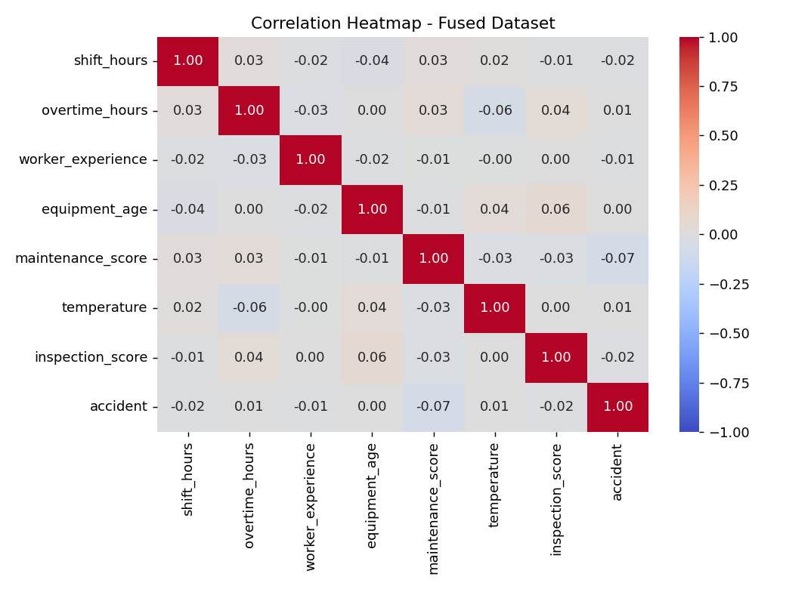
Fused | inspection_score | std | 13.109008916
Fused | inspection_score | variance | 171.84611475
Fused | inspection_score | min | 53
Fused | inspection_score | max | 99
Fused | accident | mean | 0.39002493766
Fused | accident | median | 0
Fused | accident | mode | 0
Fused | accident | std | 0.48787723966
Fused | accident | variance | 0.23802420097
Fused | accident | min | 0
Fused | accident | max | 1

- Comparative line chart: contrasts average feature levels across source datasets and highlights cross-source trend shifts.
- Multi-variable bar chart: enables side-by-side comparison of multiple features per dataset source.
- Correlation heatmap: identifies positive/negative linear relationships and potential multicollinearity.

